Directions
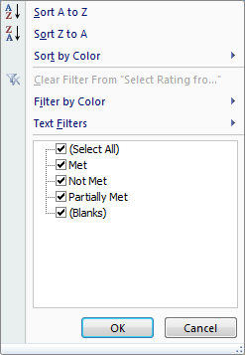
Figure A
Introduction: The Department of Elementary and Secondary Education (Department) has created a self-assessment tool to be used in combination with our newly posted document, Fostering Learning in the Early Years: Elements of High Quality Kindergarten (referred to hereafter as the Elements document). The Elements document contains seven elements that research shows are critical to promoting positive outcomes for young children. Each element varies with regards to the number of indicators contained within it. Three elements have one section only while the other four elements include sub-sections which are named and numbered for ease of identification (e.g., 1.2 is "Outdoor Environment" for Element 1: Learning Environment).
Directions:
Step 1. Each district using this tool will select team members to evaluate its full-day kindergarten program. Form a team including kindergarten instructional staff and one or more school administrators. For districts with more than one school with full-day kindergarten classrooms, the district may choose to develop a team that represents the district or it may choose to develop a team that focuses on a particular school or set of schools.
Step 2. As a team, you will conduct a self-assessment, using the indicators from the Elements document as outlined in this workbook. You are invited to complete a self-assessment of as many program elements or sub-sections as you wish.
Step 3: Complete ratings and a text record of the team’s evidence for each indicator in the chosen element/sub-section with three parts: (1.) Rate your school's (or schools') full-day kindergarten program’s current performance on each indicator (Met, Partially Met, or Not Met); and (2.) Add text next to each indicator that provides the team's EVIDENCE regarding why this rating was given (i.e., What ongoing practices or evidence lead you to rate the indicator as you did?).
Step 4: To review your results, click on the arrow at the top of the Rating column (column E) to filter the data and view the areas the team rated as "Partially Met" and/or "Not Met". - See visual A Select the Indicator Numbers and Text and copy and paste it to the "Action Plan" tab to help write your action plan goals. You may choose any number of Indicators to write goals for. Using these results, develop an action plan with a goal or goal(s) for improving a target indicator or indicators. The action plan should include 1-2 strategies (e.g., professional development, purchase of materials, etc.) related to the improvement goal(s) as well as steps that will be taken to reach the goal(s). There is also space for more details to be included for each goal (materials and who will be involved) While the self-assessment process (Step 3) includes all indicators in a selected element or subsection, it is appropriate to only select a subset of indicators that the team views as most important to target when developing the 1-2 improvement strategies. If you would like to print your Action Plan, it is set to print on Legal sized paper (8.5"x14") to fit on one page clearly.
Please Note: The Glossary tab includes definitions of many of the terms used in the Self-Assessment. Please also refer to the Elements of High Quality Kindergarten document for more background information.

