Charter Accountability Table
Charter Accountability Table
KIPP Academy Lynn Charter School
% Proficient or Advanced |  |  | 2010 | 2011 | 2012 | 2013 | 2014 | CPI |  |  |  | 2010 | 2011 | 2012 | 2013 | 2014
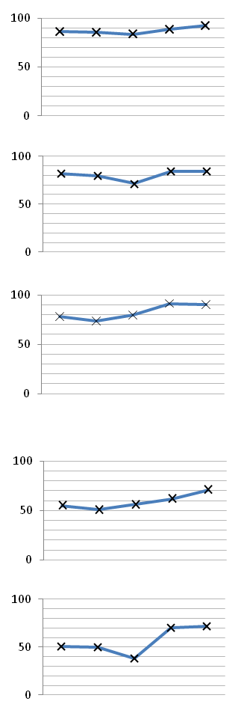
ELA P/A |  | All |  |  |  |  |  | ELA CPI |  | All | All
 |  |  | 67.0 | 65.0 | 64.0 | 72.0 | 78.0 |  |  |  |  | 86.2 | 85.7 | 83.5 | 88.4 | 92.2

 | All | High needs |  |  |  |  |  |  |  |  | High needs
 |  |  | #N/A | 64.0 | 60.0 | 69.0 | 76.0 |  |  |  |  | 85.1 | 85.0 | 81.7 | 87.0 | 91.4
 | HN |  |  |  |  |  |  |  |  | HiNeeds
MATH P/A | All | All |  |  |  |  |  | MATH CPI |  | All | All
 |  |  | 63.0 | 56.0 | 39.0 | 67.0 | 67.0 |  |  |  |  | 82.1 | 79.5 | 71.3 | 84.1 | 84.4

 |  | High needs |  |  |  |  |  |  |  |  | High needs
 |  |  | #N/A | 55.0 | 34.0 | 64.0 | 64.0 |  |  |  |  | 80.5 | 78.6 | 69.1 | 82.6 | 83.2
 | HN |  |  |  |  |  |  |  |  | HiNeeds
SCIENCE P/A |  | All |  |  |  |  |  | SCIENCE CPI |  |  | All
 |  |  | 48.0 | 39.0 | 53.0 | 78.0 | 72.0 |  |  | All |  | 78.0 | 73.6 | 79.6 | 91.2 | 90.2
 | All
 |  | High needs |  |  |  |  |  |  |  |  | High needs
 |  |  | #N/A | #N/A | 52.0 | 75.0 | 72.0 |  |  | HiNeeds |  | 77.9 | 72.2 | 78.1 | 90.5 | 89.9
 | HN
% Warning or Failing |  |  | 2010 | 2011 | 2012 | 2013 | 2014 | SGP |  |  |  | 2010 | 2011 | 2012 | 2013 | 2014
ELA W/F | All | All |  |  |  |  |  | ELA SGP |  | All | All
 |  |  | 6.0 | 6.0 | 10.0 | 5.0 | 3.0 |  |  |  |  | 55.0 | 51.0 | 56.0 | 62.0 | 71.0

 |  | High needs |  |  |  |  |  |  |  |  | High needs
 |  |  | #N/A | 6.0 | 11.0 | 6.0 | 3.0 |  |  |  |  | 54.0 | 51.0 | 53.0 | 64.0 | 71.0
 | HN |  |  |  |  |  |  |  |  | HiNeeds
MATH W/F | All | All |  |  |  |  |  | MATH SGP |  | All | All
 |  |  | 11.0 | 12.0 | 15.0 | 10.0 | 9.0 |  |  |  |  | 51.0 | 50.0 | 38.0 | 70.5 | 72.0

 |  | High needs |  |  |  |  |  |  |  |  | High needs
 |  |  | #N/A | 13.0 | 17.0 | 11.0 | 10.0 |  |  |  |  | 50.0 | 50.0 | 41.0 | 70.0 | 71.0
 | HN |  |  |  |  |  |  |  |  | HiNeeds
SCIENCE W/F | All | All |  |  |  |  |  | Percentile & PPI |  |  |  |  |  | 2012 | 2013 | 2014
 |  |  | 8.0 | 11.0 | 10.0 | 3.0 | 2.0 | School Level |  |  |  |  | All | Level 2 | Level 2 | Level 1
 |  |  |  |  |  |  |  | School Percentile |  |  |  |  | All | 45 | 44 | 63
 |  | High needs |  |  |  |  |  | ELA | Percentile in School - All |  |  |  | All | 30 | 30 | 50
 |  |  | #N/A | #N/A | 11.0 | 3.0 | 2.0 |  | Percentile in School - ELL/Former ELL |  |  |  | ELL/FELL | 41 | 43 | 85
 | HN |  |  |  |  |  |  |  | Percentile in School - Students with Disabilities |  |  |  | HiNeeds | 27 | 28 | 62
Dropout Rate |  |  | 2010 | 2011 | 2012 | 2013 | 2014 | MATH | Percentile in School - All |  |  |  | All | 67 | 68 | 71
Annual Dropout Rate |  | All | #N/A | #N/A | 3.1 | 0.0 |  |  | Percentile in School - ELL/Former ELL |  |  |  | ELL/FELL | 55 | 52 | 80
 |  |  |  |  |  |  |  |  | Percentile in School - Students with Disabilities |  |  |  | HiNeeds | 49 | 49 | 58
Please note that missing values are either due to unavailable or suppressed data. |  |  |  |  |  |  |  | PPI - Aggregate |  |  |  |  | All | 48 | 74 | 93
 |  |  |  |  |  |  |  | PPI - High needs |  |  |  |  | HiNeeds | 58 | 79 | 95
 |  |  |  |  |  |  |  | PPI - ELL/Former ELL |  |  |  |  | ELL/FELL | 74 | 77 | 93
 |  |  |  |  |  |  |  | PPI - Students with Disabilities |  |  |  |  | SPED | 26 | 52 | 78

Enrollment
Student Enrollment Demographic Data
ENROLLMENT - Low Income | KIPP Academy Lynn Charter School (05-11) - Lynn - Est. 2004
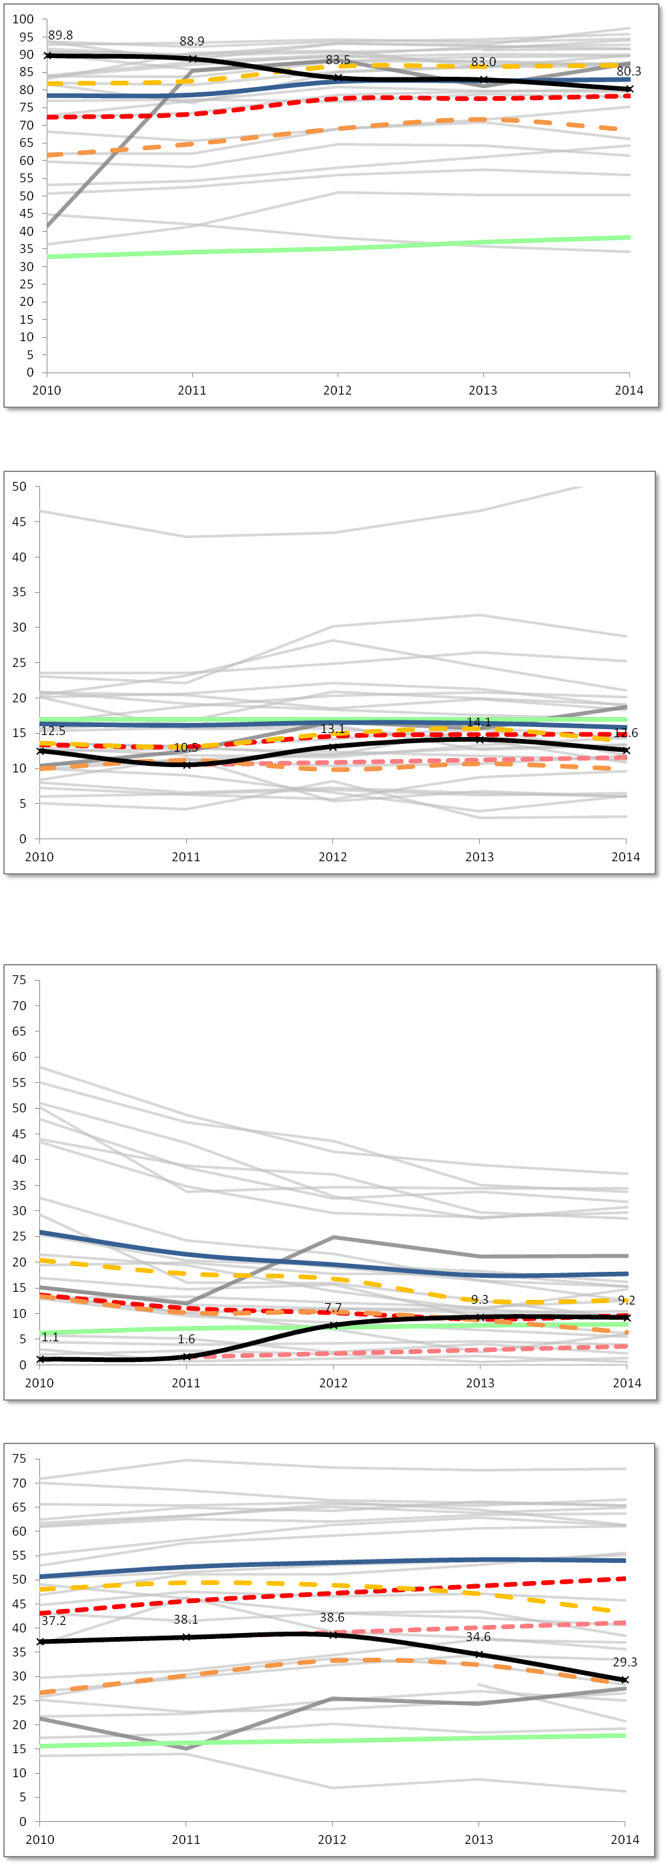

 |  | Low Income % Enrolled

Percent %
 |  |  | 2010 | 2011 | 2012 | 2013 | 2014
 |  | Charter School | 89.8 | 88.9 | 83.5 | 83.0 | 80.3
 |  | Statewide Average | 32.9 | 34.2 | 35.2 | 37.0 | 38.3
 |  | Lynn (District) | 78.4 | 78.6 | 82.4 | 82.6 | 83.0
 |  | Grades served per year | 5-8 | 5-8 | 5-9 | 5-10 | 5-11

 |  | Median | 81.8 | 82.6 | 86.7 | 86.6 | 87.0
 |  | First Quartile | 61.5 | 64.7 | 69.0 | 71.6 | 68.7
 |  | Comparison Index | 72.2 | 73.1 | 77.5 | 77.5 | 78.3
 |  | Gap Narrowing Target (GNT) | #N/A | #N/A | #N/A | #N/A | #N/A

ENROLLMENT - Students with Disabilities
 |  | Students with Disabilities % Enrolled

Percent %
 |  |  | 2010 | 2011 | 2012 | 2013 | 2014
 |  | Charter School | 12.5 | 10.5 | 13.1 | 14.1 | 12.6
 |  | Statewide Average | 17.0 | 17.0 | 17.0 | 17.0 | 17.0
 |  | Lynn (District) | 16.3 | 16.1 | 16.5 | 16.4 | 15.8
 |  | Grades served per year | 5-8 | 5-8 | 5-9 | 5-10 | 5-11

 |  | Median | 13.6 | 13.1 | 15.0 | 15.7 | 13.9
 |  | First Quartile | 10.0 | 11.2 | 9.9 | 10.7 | 9.9
 |  | Comparison Index | 13.4 | 13.1 | 14.6 | 14.8 | 14.9
 |  | Gap Narrowing Target (GNT) | #N/A | 10.5 | 10.9 | 11.2 | 11.6

ENROLLMENT - ELL | KIPP Academy Lynn Charter School (05-11) - Lynn - Est. 2004

 |  | English Language Learners % Enrolled

Percent %
 |  |  | 2010 | 2011 | 2012 | 2013 | 2014
 |  | Charter School | 1.1 | 1.6 | 7.7 | 9.3 | 9.2
 |  | Statewide Average | 6.2 | 7.1 | 7.3 | 7.7 | 7.9
 |  | Lynn (District) | 25.9 | 21.6 | 19.6 | 17.5 | 17.8
 |  | Grades served per year | 5-8 | 5-8 | 5-9 | 5-10 | 5-11

 |  | Median | 20.5 | 17.8 | 16.8 | 12.5 | 12.6
 |  | First Quartile | 13.4 | 10.2 | 10.3 | 8.7 | 6.3
 |  | Comparison Index | 13.7 | 11.1 | 10.2 | 9.0 | 9.7
 |  | Gap Narrowing Target (GNT) | #N/A | 1.6 | 2.3 | 2.9 | 3.6

ENROLLMENT - FLNE

 |  | First Language Not English % Enrolled

Percent %
 |  |  | 2010 | 2011 | 2012 | 2013 | 2014
 |  | Charter School | 37.2 | 38.1 | 38.6 | 34.6 | 29.3
 |  | Statewide Average | 15.6 | 16.3 | 16.7 | 17.3 | 17.8
 |  | Lynn (District) | 50.7 | 52.7 | 53.6 | 54.2 | 54.0
 |  | Grades served per year | 5-8 | 5-8 | 5-9 | 5-10 | 5-11

 |  | Median | 48.0 | 49.4 | 48.9 | 47.1 | 43.3
 |  | First Quartile | 26.6 | 30.2 | 33.4 | 32.5 | 28.5
 |  | Comparison Index | 43.1 | 45.6 | 47.3 | 48.8 | 50.3
 |  | Gap Narrowing Target (GNT) | #N/A | 38.1 | 39.1 | 40.1 | 41.1

Attrition
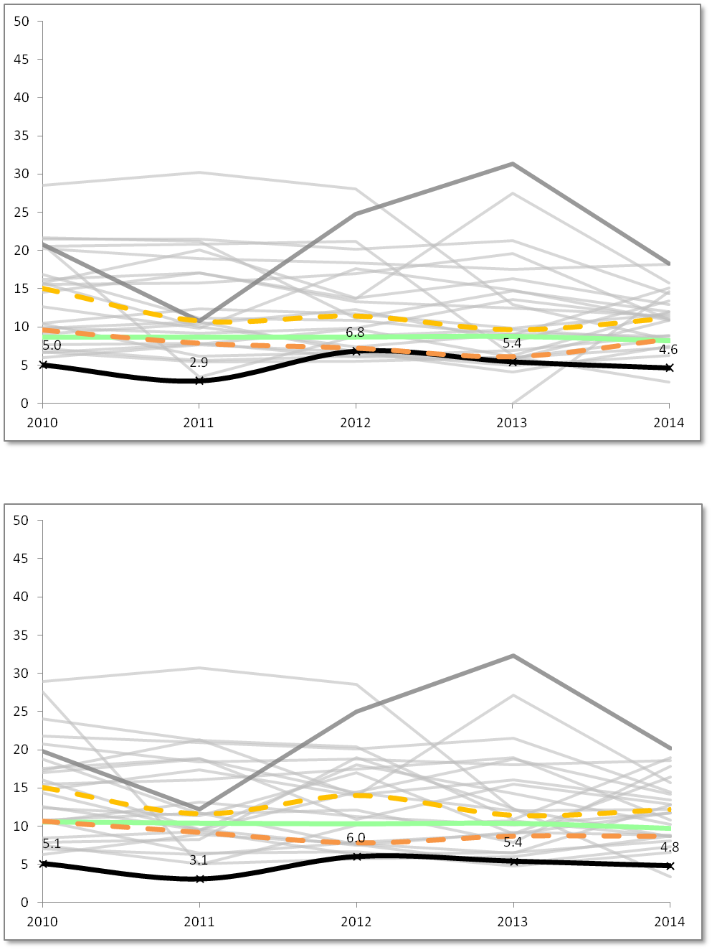
Student Attrition Data
 | KIPP Academy Lynn Charter School (05-11) - Lynn - Est. 2004
ATTRITION - All Students

 |  | All Students Attrition %

Percent %
 |  |  | 2010 | 2011 | 2012 | 2013 | 2014
 |  | Charter School | 5.0 | 2.9 | 6.8 | 5.4 | 4.6
 |  | Statewide Average | 8.7 | 8.7 | 8.7 | 8.8 | 8.2
 |  | Grades served per year | 5-8 | 5-8 | 5-9 | 5-10 | 5-11

 |  | Median | 15.1 | 10.8 | 11.4 | 9.6 | 11.1
 |  | First Quartile | 9.6 | 7.9 | 7.2 | 6.1 | 8.4

ATTRITION - High Needs

 |  | High Needs Attrition %

 |  |  | 2010 | 2011 | 2012 | 2013 | 2014
 |  | Charter School | 5.1 | 3.1 | 6.0 | 5.4 | 4.8
 |  | Statewide Average | 10.6 | 10.4 | 10.3 | 10.4 | 9.7
Percent %
 |  | Grades served per year | 5-8 | 5-8 | 5-9 | 5-10 | 5-11

 |  | Median | 15.1 | 11.6 | 14.1 | 11.5 | 12.2
 |  | First Quartile | 10.6 | 9.2 | 7.9 | 8.7 | 8.7

Financial Dashboard
Financial Dashboard
KIPP Academy Lynn Charter School - Lynn - Est. 2004

5-Year Financial Summary
p Low Risk t Moderate Risk q Potentially High Risk

Financial Metric | FY10 | FY11 | FY12 | FY13 | FY14 | 5 year AVG | FY14 MA AVG
1. Current Ratio is a measure of operational efficiency and short-term financial health. CR is calculated as current assets divided by current liabilities. | p | q | q | p | q | p | p
 | 3.8x | 0.5x | 0.3x | 6.2x | 0.1x | 2.2x | 2.4x
2. Unrestricted Days Cash indicates how many days a school can pay its expenses without another inflow of cash. Calculated as Cash and Cash Equivalents divided by ([Total Expenses-Depreciated Expenses]/365). *Important Note: This is based on the current quarterly tuition payment schedule. | t | t | q | q | q | q | t
 | 69 | 71 | 10 | 6 | 8 | 33 | 51
3. Percentage of Program Paid by Tuition measures the percentage of the school's total expenses that are funded entirely by tuition. Calculated as (Tuition + In-Kind Contributions) divided by Total Expenses. | t | t | q | q | q | q | t
 | 81% | 82% | 68% | 63% | 74% | 73% | 88%
4. Percentage of Program Paid by Tuition & Federal Grants measures the percentage of the school's total expenses that are funded by tuition and federal grants. Calculated as (Tuition + In-Kind Contributions + Federal Grants) divided by Total Expenses. | t | t | t | q | t | t | p
 | 81% | 82% | 79% | 69% | 80% | 78% | 94%
5. Percentage of Total Revenue Expended on Facilities measures the percentage of Total Revenue spent on Operation & Maintenance and Non-Operating Financing Expenses of Plant. Calculated as Operation & Maintenance plus Non-Operating Financing Expenses of Plant divided by Total Revenues. | p | p | p | t | t | p | t
 | 11% | 10% | 14% | 21% | 17% | 15% | 17%
6. Change in Net Assets Percentage measures a school's cash management efficiency. Calculated as Change in Net Assets divided by Total Revenue. | p | p | q | q | q | t | p
 | 2.4% | 5.0% | -6.3% | -3.6% | -3.6% | -1.2% | 3.4%
7. Debt to Asset Ratio measures the extent to which the school relies on borrowed funds to finance its operations. Calculated as Total Liabilities divided by Total Assets. | p | t | t | t | q | p | p
 | 0.15x | 0.94x | 0.95x | 0.96x | 1.01x | 0.80x | 0.58x

Enrollment | 352 | 370 | 466 | 569 | 721 | 496 | 428
Total Revenues | $4,552,489 | $5,173,624 | $7,366,197 | $10,542,698 | $11,660,073 | $7,859,016 | $6,654,701
Total Expenditures | $4,595,720 | $5,084,133 | $7,831,324 | $10,919,223 | $12,101,103 | $8,106,301 | $6,430,609
Total Net Assets | $1,594,101 | $1,854,997 | $1,378,468 | $1,045,074 | $(180,711) | $1,138,386 | $3,145,781

Optional Comments from School:
#N/A

Audit Indicator | FY10 | FY11 | FY12 | FY13 | FY14 | Optional Comments From School:
A. Did the audit include an unqualified opinion? | Y | Y | Y | Y | Y | #N/A
B. Is the audit free of findings of Material Weakness? | Y | Y | Y | Y | Y
C. Is the audit free of findings of Significant Deficiency? | Y | Y | Y | Y | Y
D. Is the audit free of Instances of Noncompliance under GAAS? | Y | Y | Y | Y | Y
E. Is the audit free of Questioned Costs? | Y | Y | Y | Y | Y

