Charter Accountability Table
Charter Accountability Table
Hampden Charter School of Science
% Proficient or Advanced |  |  | 2010 | 2011 | 2012 | 2013 | 2014 | CPI |  |  |  | 2010 | 2011 | 2012 | 2013 | 2014
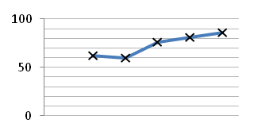
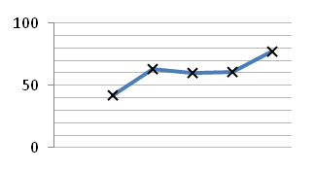
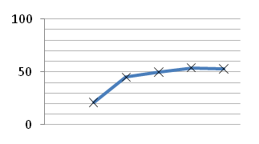
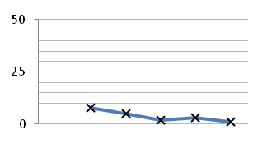
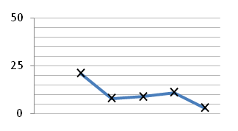
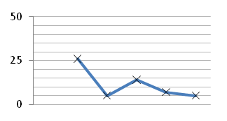
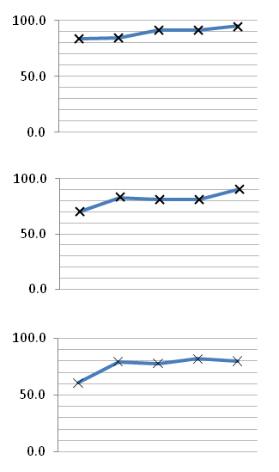
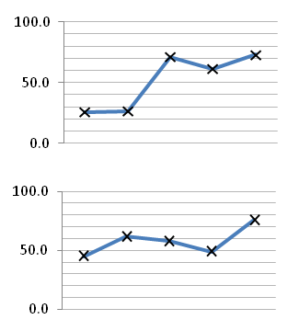
ELA P/A |  | All |  |  |  |  |  | ELA CPI |  | All | All
 |  |  | 62.0 | 60.0 | 76.0 | 81.0 | 86.0 |  |  |  |  | 83.8 | 84.4 | 91.2 | 91.6 | 94.8

 | All | High needs |  |  |  |  |  |  |  |  | High needs
 |  |  | #N/A | 46.0 | 67.0 | 78.0 | 83.0 |  |  |  |  | 74.6 | 77.8 | 88.3 | 89.7 | 93.9
 | HN |  |  |  |  |  |  |  |  | HiNeeds
MATH P/A | All | All |  |  |  |  |  | MATH CPI |  | All | All
 |  |  | 42.0 | 63.0 | 60.0 | 61.0 | 77.0 |  |  |  |  | 70.0 | 83.2 | 81.4 | 81.4 | 90.3

 |  | High needs |  |  |  |  |  |  |  |  | High needs
 |  |  | #N/A | 57.0 | 54.0 | 57.0 | 73.0 |  |  |  |  | 66.5 | 78.4 | 79.0 | 78.9 | 88.3
 | HN |  |  |  |  |  |  |  |  | HiNeeds
SCIENCE P/A |  | All |  |  |  |  |  | SCIENCE CPI |  |  | All
 |  |  | 21.0 | 45.0 | 50.0 | 54.0 | 53.0 |  |  | All |  | 60.6 | 79.4 | 77.8 | 81.8 | 79.9
 | All
 |  | High needs |  |  |  |  |  |  |  |  | High needs
 |  |  | #N/A | #N/A | 40.0 | 44.0 | 45.0 |  |  | HiNeeds |  | 58.0 | 72.1 | 72.5 | 77.7 | 76.3
 | HN
% Warning or Failing |  |  | 2010 | 2011 | 2012 | 2013 | 2014 | SGP |  |  |  | 2010 | 2011 | 2012 | 2013 | 2014
ELA W/F | All | All |  |  |  |  |  | ELA SGP |  | All | All
 |  |  | 8.0 | 5.0 | 2.0 | 3.0 | 1.0 |  |  |  |  | 25.5 | 26.5 | 71.0 | 61.0 | 73.0

 |  | High needs |  |  |  |  |  |  |  |  | High needs
 |  |  | #N/A | 7.0 | 3.0 | 4.0 | 1.0 |  |  |  |  | 24.0 | 22.0 | 71.0 | 59.0 | 73.0
 | HN |  |  |  |  |  |  |  |  | HiNeeds
MATH W/F | All | All |  |  |  |  |  | MATH SGP |  | All | All
 |  |  | 21.0 | 8.0 | 9.0 | 11.0 | 3.0 |  |  |  |  | 45.0 | 61.5 | 58.0 | 49.0 | 76.0

 |  | High needs |  |  |  |  |  |  |  |  | High needs
 |  |  | #N/A | 14.0 | 11.0 | 13.0 | 4.0 |  |  |  |  | 42.5 | 56.0 | 57.5 | 51.0 | 77.0
 | HN |  |  |  |  |  |  |  |  | HiNeeds
SCIENCE W/F | All | All |  |  |  |  |  | Percentile & PPI |  |  |  |  |  | 2012 | 2013 | 2014
 |  |  | 26.0 | 5.0 | 14.0 | 7.0 | 5.0 | School Level |  |  |  |  | All | Insufficient data | Level 1 | Level 1
 |  |  |  |  |  |  |  | School Percentile |  |  |  |  | All | -- | 49 | 64
 |  | High needs |  |  |  |  |  | ELA | Percentile in School - All |  |  |  | All | 46 | 47 | 78
 |  |  | #N/A | #N/A | 18.0 | 9.0 | 7.0 |  | Percentile in School - ELL/Former ELL |  |  |  | ELL/FELL | #N/A | #N/A | 0
 | HN |  |  |  |  |  |  |  | Percentile in School - Students with Disabilities |  |  |  | HiNeeds | #N/A | #N/A | 0
Graduation & Dropout Rates |  |  | 2010 | 2011 | 2012 | 2013 | 2014 | MATH | Percentile in School - All |  |  |  | All | 49 | 48 | 91
4-year Graduation Rate |  | All |  |  |  | 87.5 |  |  | Percentile in School - ELL/Former ELL |  |  |  | ELL/FELL | #N/A | #N/A | 0
 |  |  |  |  |  |  |  |  | Percentile in School - Students with Disabilities |  |  |  | HiNeeds | #N/A | #N/A | 0
5-year Graduation Rate |  | All | #N/A | #N/A | #N/A | #N/A |  | PPI - Aggregate |  |  |  |  | All | -- | 93 | 92
 |  |  |  |  |  |  |  | PPI - High needs |  |  |  |  | HiNeeds | -- | 92 | 92
Annual Dropout Rate |  | All | 2.6 | 0.0 | 0.0 | 2.6 |  | PPI - ELL/Former ELL |  |  |  |  | ELL/FELL | 0 | 0 | 0
 |  |  |  |  |  |  |  | PPI - Students with Disabilities |  |  |  |  | SPED | 0 | 0 | 0
Please note that missing values are either due to unavailable or suppressed data.

Student Enrollment
Student Enrollment Demographic Data
ENROLLMENT - Low Income | Hampden Charter School of Science (06-12) - Located in Chicopee - Est. 2009
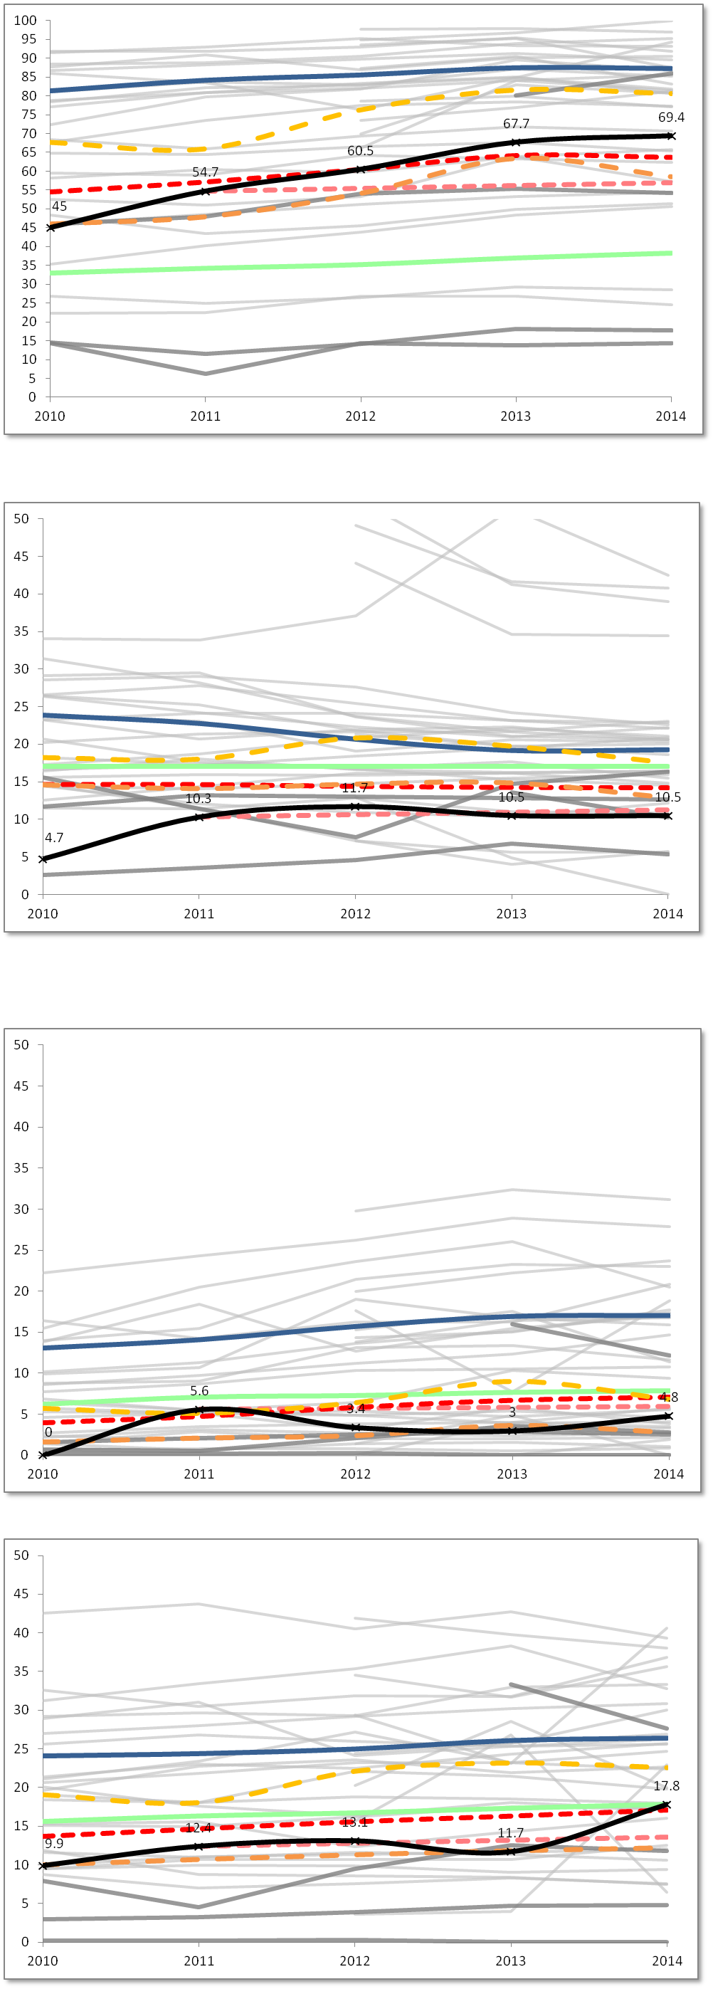

 |  | Low Income % Enrolled

Percent %
 |  |  | 2010 | 2011 | 2012 | 2013 | 2014
 |  | Charter School | 45.0 | 54.7 | 60.5 | 67.7 | 69.4
 |  | Statewide Average | 32.9 | 34.2 | 35.2 | 37.0 | 38.3
 |  | Springfield (District) | 81.4 | 84.2 | 85.6 | 87.5 | 87.3
 |  | Grades served per year | 6-9 | 6-10 | 6-11 | 6-12 | 6-12

 |  | Median | 67.7 | 66.0 | 76.3 | 81.6 | 80.6
 |  | First Quartile | 46.0 | 47.9 | 54.1 | 63.4 | 58.5
 |  | Comparison Index | 54.6 | 57.2 | 60.6 | 64.3 | 63.8
 |  | Gap Narrowing Target (GNT) | #N/A | 54.7 | 55.5 | 56.2 | 57.0

ENROLLMENT - Students with Disabilities
 |  | Students with Disabilities % Enrolled

Percent %
 |  |  | 2010 | 2011 | 2012 | 2013 | 2014
 |  | Charter School | 4.7 | 10.3 | 11.7 | 10.5 | 10.5
 |  | Statewide Average | 17.0 | 17.0 | 17.0 | 17.0 | 17.0
 |  | Springfield (District) | 23.9 | 22.8 | 20.7 | 19.2 | 19.3
 |  | Grades served per year | 6-9 | 6-10 | 6-11 | 6-12 | 6-12

 |  | Median | 18.2 | 18.0 | 20.8 | 19.7 | 17.5
 |  | First Quartile | 14.6 | 14.1 | 14.7 | 14.9 | 12.9
 |  | Comparison Index | 14.7 | 14.7 | 14.4 | 14.3 | 14.2
 |  | Gap Narrowing Target (GNT) | #N/A | 10.3 | 10.6 | 11.0 | 11.3

ENROLLMENT - ELL | Hampden Charter School of Science (06-12) - Located in Chicopee - Est. 2009

 |  | English Language Learners % Enrolled

Percent %
 |  |  | 2010 | 2011 | 2012 | 2013 | 2014
 |  | Charter School | 0.0 | 5.6 | 3.4 | 3.0 | 4.8
 |  | Statewide Average | 6.2 | 7.1 | 7.3 | 7.7 | 7.9
 |  | Springfield (District) | 13.1 | 14.1 | 15.7 | 16.9 | 17.0
 |  | Grades served per year | 6-9 | 6-10 | 6-11 | 6-12 | 6-12

 |  | Median | 5.7 | 5.1 | 6.4 | 9.0 | 6.8
 |  | First Quartile | 1.6 | 2.1 | 2.4 | 3.7 | 2.8
 |  | Comparison Index | 4.0 | 4.7 | 5.9 | 6.7 | 7.1
 |  | Gap Narrowing Target (GNT) | #N/A | 5.6 | 5.7 | 5.8 | 6.0

ENROLLMENT - FLNE

 |  | First Language Not English % Enrolled

Percent %
 |  |  | 2010 | 2011 | 2012 | 2013 | 2014
 |  | Charter School | 9.9 | 12.4 | 13.1 | 11.7 | 17.8
 |  | Statewide Average | 15.6 | 16.3 | 16.7 | 17.3 | 17.8
 |  | Springfield (District) | 24.1 | 24.4 | 25.0 | 26.1 | 26.4
 |  | Grades served per year | 6-9 | 6-10 | 6-11 | 6-12 | 6-12

 |  | Median | 19.1 | 18.1 | 22.1 | 23.2 | 22.5
 |  | First Quartile | 10.0 | 10.7 | 11.3 | 11.8 | 12.2
 |  | Comparison Index | 13.7 | 14.7 | 15.6 | 16.3 | 17.1
 |  | Gap Narrowing Target (GNT) | #N/A | 12.4 | 12.8 | 13.2 | 13.6

Attrition
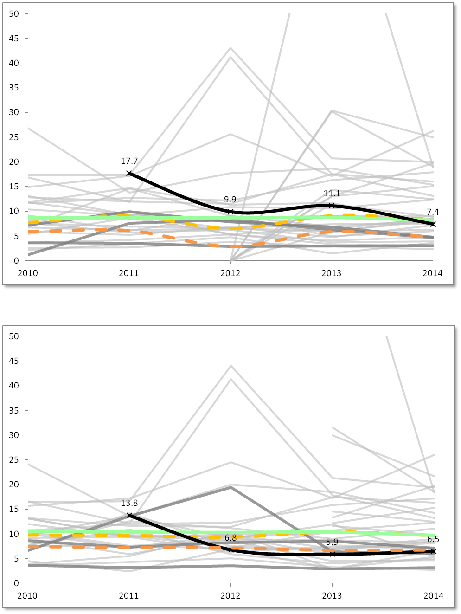
Student Attrition Data
 | Hampden Charter School of Science (06-12) - Located in Chicopee - Est. 2009
ATTRITION - All Students

 |  | All Students Attrition %

Percent %
 |  |  | 2010 | 2011 | 2012 | 2013 | 2014
 |  | Charter School | #N/A | 17.7 | 9.9 | 11.1 | 7.4
 |  | Statewide Average | 8.7 | 8.7 | 8.7 | 8.8 | 8.2
 |  | Grades served per year | 6-9 | 6-10 | 6-11 | 6-12 | 6-12

 |  | Median | 7.7 | 9.1 | 6.5 | 9.1 | 8.4
 |  | First Quartile | 5.9 | 6.1 | 2.9 | 5.9 | 4.8

ATTRITION - High Needs

 |  | High Needs Attrition %

 |  |  | 2010 | 2011 | 2012 | 2013 | 2014
 |  | Charter School | #N/A | 13.8 | 6.8 | 5.9 | 6.5
 |  | Statewide Average | 10.6 | 10.4 | 10.3 | 10.4 | 9.7
Percent %
 |  | Grades served per year | 6-9 | 6-10 | 6-11 | 6-12 | 6-12

 |  | Median | 9.8 | 9.7 | 9.4 | 10.4 | 9.7
 |  | First Quartile | 7.5 | 7.3 | 7.2 | 6.7 | 6.8

Financial Dashboard
Financial Dashboard
Hampden Charter School of Science - Chicopee - Est. 2009

5-Year Financial Summary
p Low Risk t Moderate Risk q Potentially High Risk

Financial Metric | FY10 | FY11 | FY12 | FY13 | FY14 | 5 year AVG | FY14 MA AVG
1. Current Ratio is a measure of operational efficiency and short-term financial health. CR is calculated as current assets divided by current liabilities. | p | p | p | p | p | p | p
 | 2.7x | 1.6x | 1.8x | 2.2x | 2.0x | 2.1x | 2.4x
2. Unrestricted Days Cash indicates how many days a school can pay its expenses without another inflow of cash. Calculated as Cash and Cash Equivalents divided by ([Total Expenses-Depreciated Expenses]/365). *Important Note: This is based on the current quarterly tuition payment schedule. | t | p | p | p | q | t | t
 | 58 | 76 | 87 | 86 | 14 | 64 | 51
3. Percentage of Program Paid by Tuition measures the percentage of the school's total expenses that are funded entirely by tuition. Calculated as (Tuition + In-Kind Contributions) divided by Total Expenses. | p | t | t | t | t | t | t
 | 90% | 76% | 85% | 88% | 86% | 85% | 88%
4. Percentage of Program Paid by Tuition & Federal Grants measures the percentage of the school's total expenses that are funded by tuition and federal grants. Calculated as (Tuition + In-Kind Contributions + Federal Grants) divided by Total Expenses. | p | p | p | p | p | p | p
 | 100% | 90% | 96% | 97% | 93% | 98% | 94%
5. Percentage of Total Revenue Expended on Facilities measures the percentage of Total Revenue spent on Operation & Maintenance and Non-Operating Financing Expenses of Plant. Calculated as Operation & Maintenance plus Non-Operating Financing Expenses of Plant divided by Total Revenues. | t | t | t | t | t | t | t
 | 16% | 21% | 18% | 17% | 16% | 18% | 17%
6. Change in Net Assets Percentage measures a school's cash management efficiency. Calculated as Change in Net Assets divided by Total Revenue. | p | p | p | p | p | p | p
 | 16.7% | 1.4% | 4.5% | 5.0% | 1.3% | 5.8% | 3.4%
7. Debt to Asset Ratio measures the extent to which the school relies on borrowed funds to finance its operations. Calculated as Total Liabilities divided by Total Assets. | p | p | p | p | p | p | p
 | 0.31x | 0.51x | 0.47x | 0.42x | 0.44x | 0.43x | 0.58x

Enrollment | 191 | 234 | 291 | 334 | 353 | 281 | 428
Total Revenues | $2,873,778 | $3,097,678 | $3,827,976 | $4,545,974 | $4,889,299 | $3,846,941 | $6,654,701
Total Expenditures | $2,394,339 | $3,054,189 | $3,653,946 | $4,317,476 | $4,826,618 | $3,649,314 | $6,430,609
Total Net Assets | $479,641 | $523,130 | $697,159 | $925,657 | $988,339 | $722,785 | $3,145,781

Optional Comments from School:
#N/A

Audit Indicator | FY10 | FY11 | FY12 | FY13 | FY14 | Optional Comments From School:
A. Did the audit include an unqualified opinion? | Y | Y | Y | Y | Y | #N/A
B. Is the audit free of findings of Material Weakness? | Y | Y | Y | Y | Y
C. Is the audit free of findings of Significant Deficiency? | Y | N | Y | Y | Y
D. Is the audit free of Instances of Noncompliance under GAAS? | Y | N | Y | Y | Y
E. Is the audit free of Questioned Costs? | Y | Y | Y | Y | Y

