Student Indicators
Neighborhood House Charter School - Boston - Est. 1995 (Max Grade Span - PK-08)
Student Indicator - In-School Suspension %
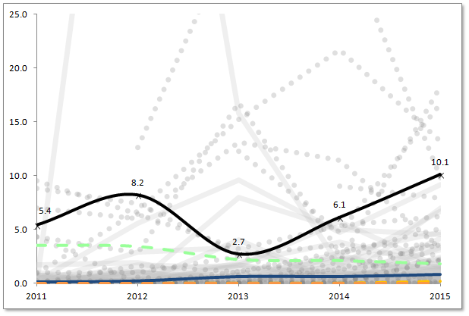
 | In-School Suspension %

Percent %
 |  | 2011 | 2012 | 2013 | 2014 | 2015
 | Charter School | 5.4 | 8.2 | 2.7 | 6.1 | 10.1
 | Statewide Average | 3.5 | 3.4 | 2.2 | 2.1 | 1.8
 | Boston (District) | 0.1 | 0.2 | 0.6 | 0.6 | 0.8
 | Grades served per year | PK-8 | PK-8 | PK-8 | PK-8 | PK-8

 | Median | 0.0 | 0.0 | 0.0 | 0.0 | 0.2
 | First Quartile | 0.0 | 0.0 | 0.0 | 0.0 | 0.0

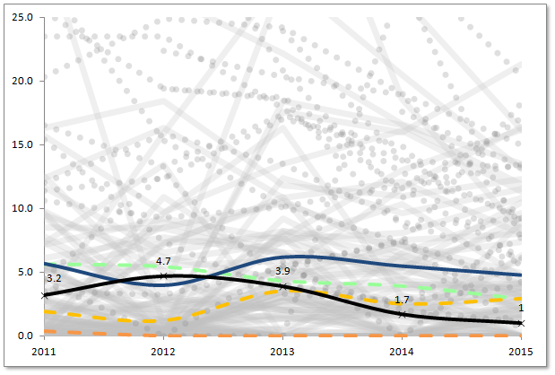
Student Indicator - Out-of-School Suspension %
 | Out-of-School Suspension %

Percent %
 |  | 2011 | 2012 | 2013 | 2014 | 2015
 | Charter School | 3.2 | 4.7 | 3.9 | 1.7 | 1.0
 | Statewide Average | 5.6 | 5.4 | 4.3 | 3.9 | 2.9
 | Boston (District) | 5.7 | 4.0 | 6.2 | 5.5 | 4.8
 | Grades served per year | PK-8 | PK-8 | PK-8 | PK-8 | PK-8

 | Median | 1.9 | 1.2 | 3.5 | 2.5 | 2.9
 | First Quartile | 0.4 | 0.0 | 0.0 | 0.0 | 0.0

Neighborhood House Charter School - Boston - Est. 1995 (Max Grade Span - PK-08)
Student Indicator - Attendance %

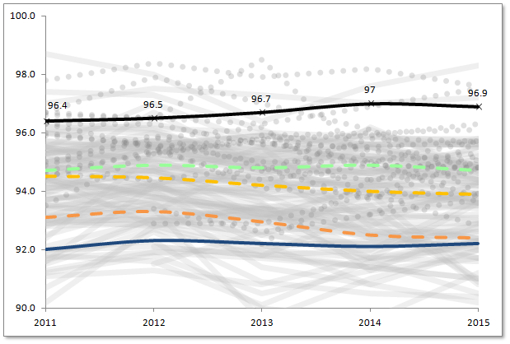
 | Attendance %

Percent %
 |  | 2011 | 2012 | 2013 | 2014 | 2015
 | Charter School | 96.4 | 96.5 | 96.7 | 97.0 | 96.9
 | Statewide Average | 94.7 | 94.9 | 94.8 | 94.9 | 94.7
 | Boston (District) | 92.0 | 92.3 | 92.2 | 92.1 | 92.2
 | Grades served per year | PK-8 | PK-8 | PK-8 | PK-8 | PK-8

 | Median | 94.5 | 94.5 | 94.2 | 94.0 | 93.9
 | First Quartile | 93.1 | 93.3 | 93.0 | 92.5 | 92.4

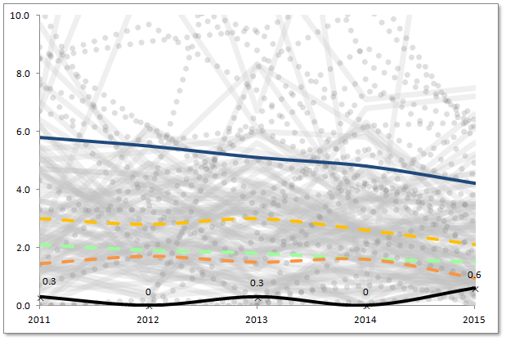
Student Indicator - Retention %
 | Retention %

Percent %
 |  | 2011 | 2012 | 2013 | 2014 | 2015
 | Charter School | 0.3 | 0.0 | 0.3 | 0.0 | 0.6
 | Statewide Average | 2.1 | 1.9 | 1.8 | 1.6 | 1.5
 | Boston (District) | 5.8 | 5.5 | 5.1 | 4.8 | 4.2
 | Grades served per year | PK-8 | PK-8 | PK-8 | PK-8 | PK-8

 | Median | 3.0 | 2.8 | 3.0 | 2.6 | 2.1
 | First Quartile | 1.5 | 1.7 | 1.5 | 1.6 | 1.0

