MCAS 2010-2014
MCAS - ELA - All | Pioneer Charter School of Science - Everett - Est. 2007 (Max Grade Span - 07-12)
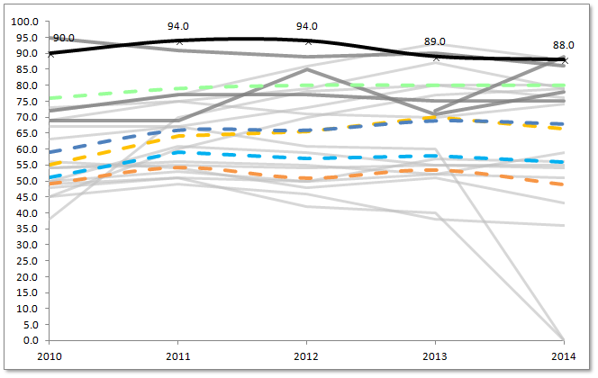
 |  | MCAS - English Language Arts % Proficient/Advanced All Students

Percent %
 |  |  | 2010 | 2011 | 2012 | 2013 | 2014
 |  | Charter School | 90.0 | 94.0 | 94.0 | 89.0 | 88.0
 |  | Statewide Average* | 76.0 | 79.0 | 80.0 | 80.0 | 80.0
 |  | Everett (District)* | 59.0 | 66.0 | 66.0 | 69.0 | 68.0
 |  | Chelsea (District)* | 51.0 | 59.0 | 57.0 | 58.0 | 56.0
 |  | Grades served per year | 7-10 | 7-11 | 7-12 | 7-12 | 7-12

 |  | Median | 55.0 | 64.0 | 65.5 | 70.0 | 66.5
 |  | First Quartile | 49.3 | 54.3 | 51.0 | 53.5 | 49.0

 |  | *Please note that the statewide and district figures are averages across the unique grade configuration for each year of the selected charter school.

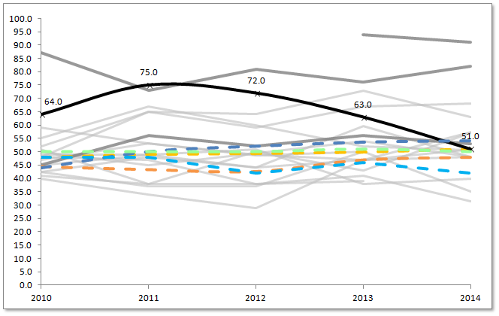
MCAS - ELA SGP - All
 |  | MCAS - English Language Arts Student Growth Percentile (SGP) All Students

Percentile
 |  |  | 2010 | 2011 | 2012 | 2013 | 2014
 |  | Charter School | 64.0 | 75.0 | 72.0 | 63.0 | 51.0
 |  | Statewide Average* | 50.0 | 50.0 | 50.0 | 51.0 | 50.0
 |  | Everett (District)* | 44.0 | 50.0 | 52.0 | 53.5 | 54.0
 |  | Chelsea (District)* | 48.0 | 48.0 | 42.0 | 46.0 | 42.0
 |  | Grades served per year | 7-10 | 7-11 | 7-12 | 7-12 | 7-12

 |  | Median | 48.0 | 49.0 | 49.3 | 50.0 | 51.0
 |  | First Quartile | 44.4 | 43.3 | 42.5 | 47.0 | 48.0

 |  | *Please note that the statewide and district figures are averages across the unique grade configuration for each year of the selected charter school.

MCAS - Math %P/A - All | Pioneer Charter School of Science - Everett - Est. 2007 (Max Grade Span - 07-12)
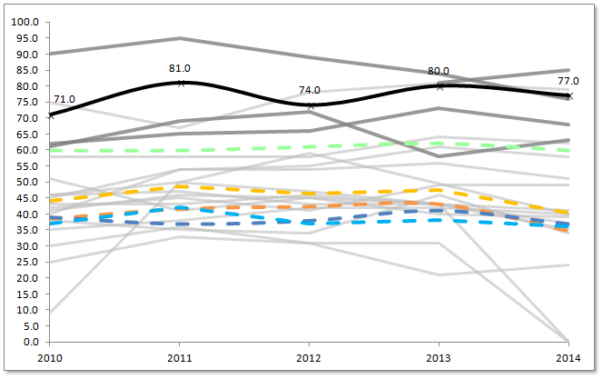
 |  | MCAS - Math % Proficient/Advanced All Students

Percent %
 |  |  | 2010 | 2011 | 2012 | 2013 | 2014
 |  | Charter School | 71.0 | 81.0 | 74.0 | 80.0 | 77.0
 |  | Statewide Average* | 60.0 | 60.0 | 61.0 | 62.0 | 60.0
 |  | Everett (District)* | 39.0 | 37.0 | 38.0 | 41.0 | 37.0
 |  | Chelsea (District)* | 37.0 | 42.0 | 37.0 | 38.0 | 36.0
 |  | Grades served per year | 7-10 | 7-11 | 7-12 | 7-12 | 7-12

 |  | Median | 44.0 | 48.5 | 46.5 | 47.5 | 40.5
 |  | First Quartile | 38.5 | 41.5 | 42.3 | 43.0 | 34.8

 |  | *Please note that the statewide and district figures are averages across the unique grade configuration for each year of the selected charter school.

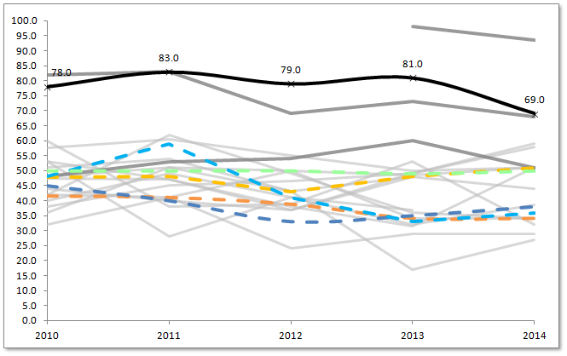
MCAS - Math SGP - All
 |  | MCAS - Math Student Growth Percentile (SGP) All Students

Percentile
 |  |  | 2010 | 2011 | 2012 | 2013 | 2014
 |  | Charter School | 78.0 | 83.0 | 79.0 | 81.0 | 69.0
 |  | Statewide Average* | 50.0 | 50.0 | 50.0 | 49.0 | 50.0
 |  | Everett (District)* | 45.0 | 40.0 | 33.0 | 35.0 | 38.0
 |  | Chelsea (District)* | 48.0 | 59.0 | 41.0 | 33.0 | 36.0
 |  | Grades served per year | 7-10 | 7-11 | 7-12 | 7-12 | 7-12

 |  | Median | 47.8 | 48.0 | 43.0 | 48.0 | 51.0
 |  | First Quartile | 41.5 | 41.0 | 38.8 | 34.0 | 34.0

 |  | *Please note that the statewide and district figures are averages across the unique grade configuration for each year of the selected charter school.

MCAS - ELA %P/A - ELL | Pioneer Charter School of Science - Everett - Est. 2007 (Max Grade Span - 07-12)
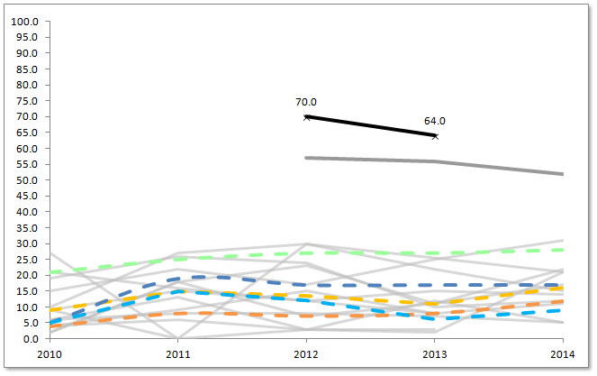
 |  | MCAS - English Language Arts % Proficient/Advanced English Language Learners

Percent %

 |  |  | 2010 | 2011 | 2012 | 2013 | 2014
 |  | Charter School | #N/A | #N/A | 70.0 | 64.0 | #N/A
 |  | Statewide Average* | 21.0 | 25.0 | 27.0 | 27.0 | 28.0
 |  | Everett (District)* | 5.0 | 19.0 | 17.0 | 17.0 | 17.0
 |  | Chelsea (District)* | 5.0 | 15.0 | 12.0 | 6.0 | 9.0
 |  | Grades served per year | 7-10 | 7-11 | 7-12 | 7-12 | 7-12

 |  | Median | 9.0 | 15.0 | 13.5 | 11.0 | 16.0
 |  | First Quartile | 4.0 | 8.0 | 7.3 | 8.0 | 11.8
 |  | Cells highlighted red: Achievement level percentages are not calculated for groups with fewer than 10 students.

 |  | *Please note that the statewide and district figures are averages across the unique grade configuration for each year of the selected charter school.

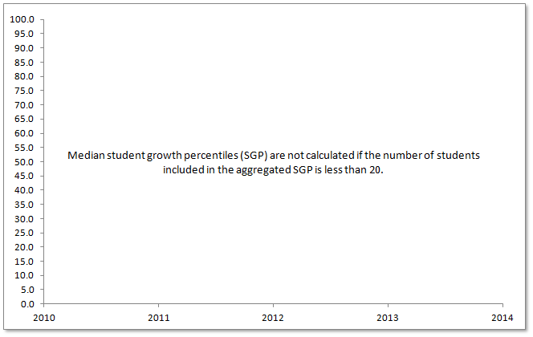
MCAS - ELA SGP - ELL
 |  | MCAS - English Language Arts Student Growth Percentile (SGP) English Language Learners

Percentile
 |  |  | 2010 | 2011 | 2012 | 2013 | 2014
 |  | Charter School | #N/A | #N/A | #N/A | #N/A | #N/A
 |  | Statewide Average* | 53.0 | 52.0 | 53.0 | 54.0 | 54.0
 |  | Everett (District)* | 52.0 | 51.0 | 52.0 | 36.0 | 61.5
 |  | Chelsea (District)* | 51.0 | 73.0 | 55.5 | 43.5 | 40.0
 |  | Grades served per year | 7-10 | 7-11 | 7-12 | 7-12 | 7-12

 |  | Median | 50.8 | 56.0 | 47.8 | 46.3 | 64.0
 |  | First Quartile | 46.5 | 45.5 | 41.6 | 39.3 | 63.0
 |  | Cells highlighted red: Median student growth percentiles (SGP) are not calculated if the number of students included in the aggregated SGP is less than 20.

 |  | *Please note that the statewide and district figures are averages across the unique grade configuration for each year of the selected charter school.

MCAS - Math %P/A - ELL | Pioneer Charter School of Science - Everett - Est. 2007 (Max Grade Span - 07-12)
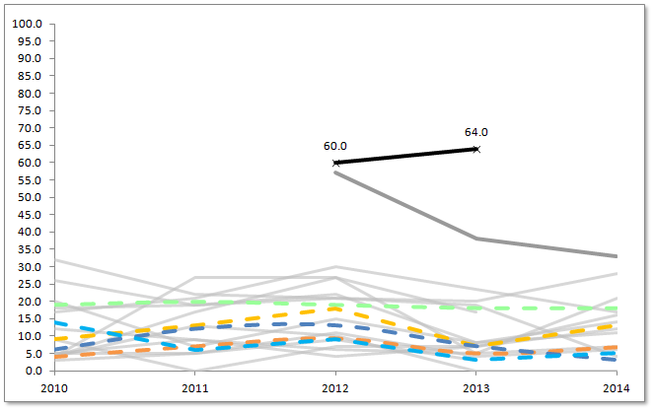
 |  | MCAS - Math % Proficient/Advanced English Language Learners

Percent %
 |  |  | 2010 | 2011 | 2012 | 2013 | 2014
 |  | Charter School | #N/A | #N/A | 60.0 | 64.0 | #N/A
 |  | Statewide Average* | 19.0 | 20.0 | 19.0 | 18.0 | 18.0
 |  | Everett (District)* | 6.0 | 12.0 | 13.0 | 7.0 | 3.0
 |  | Chelsea (District)* | 14.0 | 6.0 | 9.0 | 3.0 | 5.0
 |  | Grades served per year | 7-10 | 7-11 | 7-12 | 7-12 | 7-12

 |  | Median | 9.0 | 13.0 | 18.0 | 7.0 | 13.0
 |  | First Quartile | 4.0 | 7.0 | 9.3 | 5.0 | 6.8
 |  | Cells highlighted red: Achievement level percentages are not calculated for groups with fewer than 10 students.

 |  | *Please note that the statewide and district figures are averages across the unique grade configuration for each year of the selected charter school.

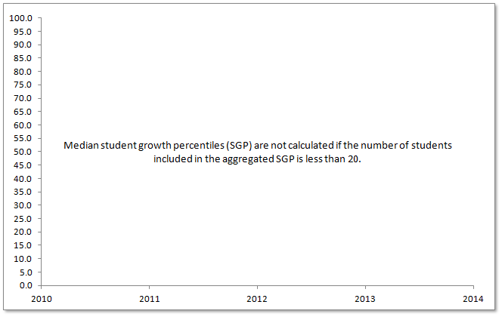
MCAS - Math SGP - ELL
 |  | MCAS - Math Student Growth Percentile (SGP) English Language Learners

Percentile
 |  |  | 2010 | 2011 | 2012 | 2013 | 2014
 |  | Charter School | #N/A | #N/A | #N/A | #N/A | #N/A
 |  | Statewide Average* | 56.0 | 56.0 | 55.0 | 47.0 | 53.0
 |  | Everett (District)* | 36.0 | 58.0 | 52.5 | 31.5 | 40.0
 |  | Chelsea (District)* | 70.0 | 79.0 | 58.0 | 47.0 | 42.0
 |  | Grades served per year | 7-10 | 7-11 | 7-12 | 7-12 | 7-12

 |  | Median | 45.3 | 54.0 | 49.0 | 34.3 | 42.3
 |  | First Quartile | 37.9 | 41.3 | 39.5 | 28.8 | 39.6
 |  | Cells highlighted red: Median student growth percentiles (SGP) are not calculated if the number of students included in the aggregated SGP is less than 20.

 |  | *Please note that the statewide and district figures are averages across the unique grade configuration for each year of the selected charter school.

MCAS - ELA %P/A - Low Inc | Pioneer Charter School of Science - Everett - Est. 2007 (Max Grade Span - 07-12)
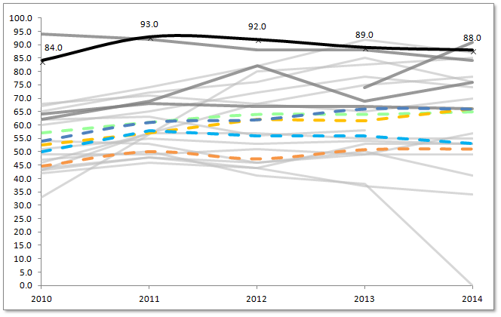
 |  | MCAS - English Language Arts % Proficient/Advanced Low Income

Percent %
 |  |  | 2010 | 2011 | 2012 | 2013 | 2014
 |  | Charter School | 84.0 | 93.0 | 92.0 | 89.0 | 88.0
 |  | Statewide Average* | 57.0 | 61.0 | 64.0 | 64.0 | 65.0
 |  | Everett (District)* | 54.0 | 61.0 | 62.0 | 66.0 | 66.0
 |  | Chelsea (District)* | 50.0 | 58.0 | 56.0 | 56.0 | 53.0
 |  | Grades served per year | 7-10 | 7-11 | 7-12 | 7-12 | 7-12

 |  | Median | 52.5 | 57.0 | 62.0 | 61.5 | 66.0
 |  | First Quartile | 44.5 | 50.0 | 47.3 | 50.8 | 51.0
 |  | Cells highlighted red: Achievement level percentages are not calculated for groups with fewer than 10 students.

 |  | *Please note that the statewide and district figures are averages across the unique grade configuration for each year of the selected charter school.

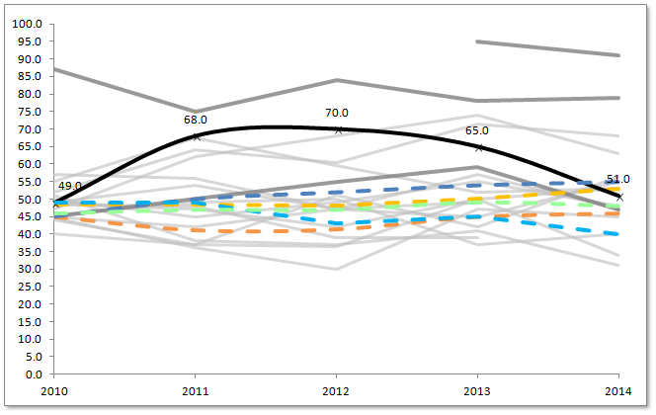
MCAS - ELA SGP - Low Inc
 |  | MCAS - English Language Arts Student Growth Percentile (SGP) Low Income

Percentile
 |  |  | 2010 | 2011 | 2012 | 2013 | 2014
 |  | Charter School | 49.0 | 68.0 | 70.0 | 65.0 | 51.0
 |  | Statewide Average* | 46.0 | 47.0 | 47.0 | 49.0 | 48.0
 |  | Everett (District)* | 45.0 | 50.0 | 52.0 | 54.0 | 55.0
 |  | Chelsea (District)* | 49.0 | 49.0 | 43.0 | 45.0 | 40.0
 |  | Grades served per year | 7-10 | 7-11 | 7-12 | 7-12 | 7-12

 |  | Median | 48.5 | 48.5 | 48.0 | 50.0 | 53.0
 |  | First Quartile | 45.0 | 41.0 | 41.3 | 45.0 | 46.0
 |  | Cells highlighted red: Median student growth percentiles (SGP) are not calculated if the number of students included in the aggregated SGP is less than 20.

 |  | *Please note that the statewide and district figures are averages across the unique grade configuration for each year of the selected charter school.

MCAS - Math %P/A - Low Inc | Pioneer Charter School of Science - Everett - Est. 2007 (Max Grade Span - 07-12)
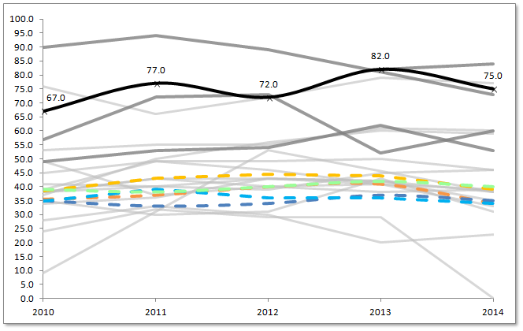
 |  | MCAS - Math % Proficient/Advanced Low Income

Percent %
 |  |  | 2010 | 2011 | 2012 | 2013 | 2014
 |  | Charter School | 67.0 | 77.0 | 72.0 | 82.0 | 75.0
 |  | Statewide Average* | 39.0 | 38.0 | 40.0 | 42.0 | 40.0
 |  | Everett (District)* | 35.0 | 33.0 | 34.0 | 37.0 | 35.0
 |  | Chelsea (District)* | 35.0 | 39.0 | 36.0 | 36.0 | 34.0
 |  | Grades served per year | 7-10 | 7-11 | 7-12 | 7-12 | 7-12

 |  | Median | 38.5 | 43.0 | 44.5 | 44.0 | 39.0
 |  | First Quartile | 35.5 | 37.0 | 40.0 | 41.0 | 34.0
 |  | Cells highlighted red: Achievement level percentages are not calculated for groups with fewer than 10 students.

 |  | *Please note that the statewide and district figures are averages across the unique grade configuration for each year of the selected charter school.

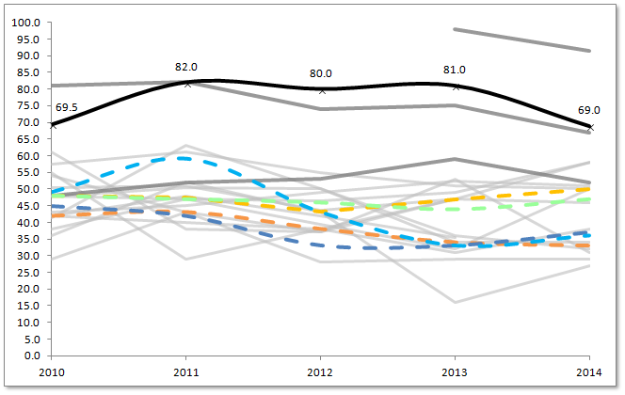
MCAS - Math SGP - Low Inc
 |  | MCAS - Math Student Growth Percentile (SGP) Low Income

Percentile
 |  |  | 2010 | 2011 | 2012 | 2013 | 2014
 |  | Charter School | 69.5 | 82.0 | 80.0 | 81.0 | 69.0
 |  | Statewide Average* | 48.0 | 47.0 | 46.0 | 44.0 | 47.0
 |  | Everett (District)* | 45.0 | 42.0 | 33.0 | 33.0 | 37.0
 |  | Chelsea (District)* | 49.0 | 59.0 | 43.0 | 33.0 | 36.0
 |  | Grades served per year | 7-10 | 7-11 | 7-12 | 7-12 | 7-12

 |  | Median | 48.0 | 47.5 | 43.3 | 47.0 | 50.0
 |  | First Quartile | 41.9 | 43.0 | 38.0 | 34.0 | 33.0
 |  | Cells highlighted red: Median student growth percentiles (SGP) are not calculated if the number of students included in the aggregated SGP is less than 20.

 |  | *Please note that the statewide and district figures are averages across the unique grade configuration for each year of the selected charter school.

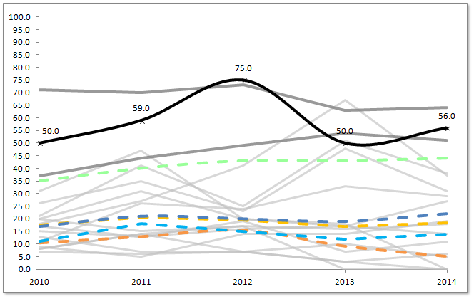
 | Pioneer Charter School of Science - Everett - Est. 2007 (Max Grade Span - 07-12)
MCAS - ELA %P/A - SWD
 |  | MCAS - English Language Arts % Proficient/Advanced Students with Disabilities

Percent %
 |  |  | 2010 | 2011 | 2012 | 2013 | 2014
 |  | Charter School | 50.0 | 59.0 | 75.0 | 50.0 | 56.0
 |  | Statewide Average* | 35.0 | 40.0 | 43.0 | 43.0 | 44.0
 |  | Everett (District)* | 17.0 | 21.0 | 20.0 | 19.0 | 22.0
 |  | Chelsea (District)* | 11.0 | 18.0 | 15.0 | 12.0 | 14.0
 |  | Grades served per year | 7-10 | 7-11 | 7-12 | 7-12 | 7-12

 |  | Median | 17.5 | 20.5 | 19.5 | 17.0 | 18.5
 |  | First Quartile | 10.5 | 13.0 | 15.5 | 9.3 | 5.3
 |  | Cells highlighted red: Achievement level percentages are not calculated for groups with fewer than 10 students.

 |  | *Please note that the statewide and district figures are averages across the unique grade configuration for each year of the selected charter school.

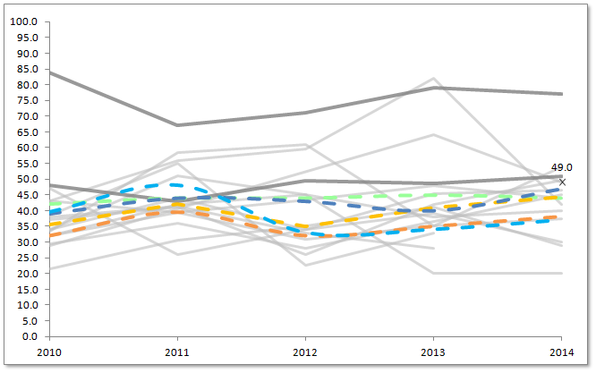
MCAS - ELA SGP - SWD
 |  | MCAS - English Language Arts Student Growth Percentile (SGP) Students with Disabilities

Percentile
 |  |  | 2010 | 2011 | 2012 | 2013 | 2014
 |  | Charter School | #N/A | #N/A | #N/A | #N/A | 49.0
 |  | Statewide Average* | 42.0 | 44.0 | 44.0 | 45.0 | 44.0
 |  | Everett (District)* | 39.0 | 44.0 | 43.0 | 40.0 | 47.0
 |  | Chelsea (District)* | 39.5 | 48.0 | 33.0 | 34.0 | 37.0
 |  | Grades served per year | 7-10 | 7-11 | 7-12 | 7-12 | 7-12

 |  | Median | 35.5 | 42.0 | 35.0 | 41.0 | 44.5
 |  | First Quartile | 32.0 | 39.5 | 32.0 | 35.0 | 38.1
 |  | Cells highlighted red: Median student growth percentiles (SGP) are not calculated if the number of students included in the aggregated SGP is less than 20.

 |  | *Please note that the statewide and district figures are averages across the unique grade configuration for each year of the selected charter school.

MCAS - Math %P/A - SWD | Pioneer Charter School of Science - Everett - Est. 2007 (Max Grade Span - 07-12)
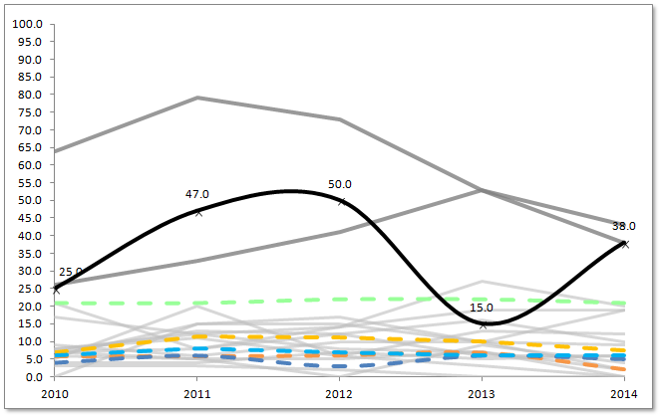
 |  | MCAS - Math % Proficient/Advanced Students with Disabilities

Percent %

 |  |  | 2010 | 2011 | 2012 | 2013 | 2014
 |  | Charter School | 25.0 | 47.0 | 50.0 | 15.0 | 38.0
 |  | Statewide Average* | 21.0 | 21.0 | 22.0 | 22.0 | 21.0
 |  | Everett (District)* | 4.0 | 6.0 | 3.0 | 6.0 | 5.0
 |  | Chelsea (District)* | 6.0 | 8.0 | 7.0 | 6.0 | 6.0
 |  | Grades served per year | 7-10 | 7-11 | 7-12 | 7-12 | 7-12

 |  | Median | 7.0 | 11.5 | 11.0 | 10.0 | 7.5
 |  | First Quartile | 5.8 | 5.8 | 6.0 | 6.8 | 2.0
 |  | Cells highlighted red: Achievement level percentages are not calculated for groups with fewer than 10 students.

 |  | *Please note that the statewide and district figures are averages across the unique grade configuration for each year of the selected charter school.

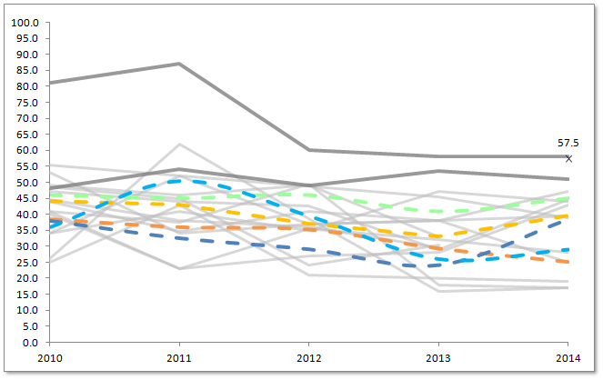
MCAS - Math SGP - SWD
 |  | MCAS - Math Student Growth Percentile (SGP) Students with Disabilities

Percentile
 |  |  | 2010 | 2011 | 2012 | 2013 | 2014
 |  | Charter School | #N/A | #N/A | #N/A | #N/A | 57.5
 |  | Statewide Average* | 46.0 | 45.0 | 46.0 | 41.0 | 45.0
 |  | Everett (District)* | 38.0 | 32.5 | 29.0 | 24.0 | 38.5
 |  | Chelsea (District)* | 36.0 | 50.5 | 39.5 | 26.0 | 29.0
 |  | Grades served per year | 7-10 | 7-11 | 7-12 | 7-12 | 7-12

 |  | Median | 44.3 | 43.0 | 37.0 | 33.0 | 39.5
 |  | First Quartile | 38.5 | 36.0 | 35.3 | 29.3 | 25.0
 |  | Cells highlighted red: Median student growth percentiles (SGP) are not calculated if the number of students included in the aggregated SGP is less than 20.

 |  | *Please note that the statewide and district figures are averages across the unique grade configuration for each year of the selected charter school.

Student Indicators
Pioneer Charter School of Science - Everett - Est. 2007 (Max Grade Span - 07-12)
Student Indicator - In-School Suspension %
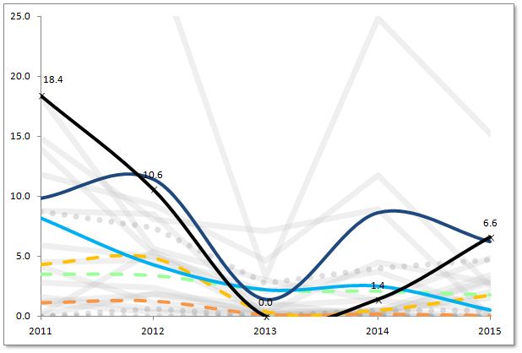
 | In-School Suspension %

Percent %
 |  | 2011 | 2012 | 2013 | 2014 | 2015
 | Charter School | 18.4 | 10.6 | 0.0 | 1.4 | 6.6
 | Statewide Average | 3.5 | 3.4 | 2.2 | 2.1 | 1.8
 | Everett (District) | 9.8 | 11.4 | 1.4 | 8.6 | 6.2
 | Chelsea (District) | 8.2 | 4.3 | 2.2 | 2.5 | 0.5
 | Grades served per year | 7-11 | 7-12 | 7-12 | 7-12 | 7-12

 | Median | 4.3 | 4.9 | 0.4 | 0.5 | 1.8
 | First Quartile | 1.1 | 1.3 | 0.1 | 0.2 | 0.0

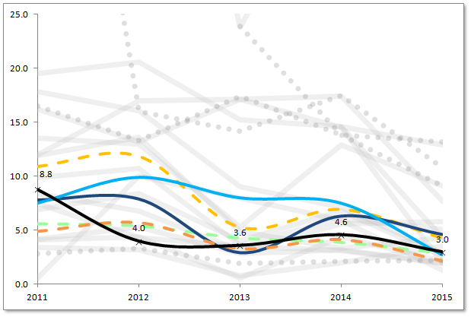
Student Indicator - Out-of-School Suspension %
 | Out-of-School Suspension %

Percent %
 |  | 2011 | 2012 | 2013 | 2014 | 2015
 | Charter School | 8.8 | 4.0 | 3.6 | 4.6 | 3.0
 | Statewide Average | 5.6 | 5.4 | 4.3 | 3.9 | 2.9
 | Everett (District) | 7.8 | 7.9 | 2.9 | 6.3 | 4.6
 | Chelsea (District) | 7.5 | 9.9 | 8.0 | 7.5 | 2.7
 | Grades served per year | 7-11 | 7-12 | 7-12 | 7-12 | 7-12

 | Median | 10.9 | 11.9 | 5.3 | 6.9 | 4.3
 | First Quartile | 4.9 | 5.7 | 3.3 | 4.1 | 2.2

Pioneer Charter School of Science - Everett - Est. 2007 (Max Grade Span - 07-12)
Student Indicator - Attendance %

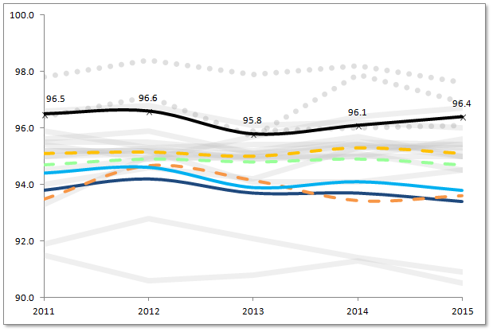
 | Attendance %

Percent %
 |  | 2011 | 2012 | 2013 | 2014 | 2015
 | Charter School | 96.5 | 96.6 | 95.8 | 96.1 | 96.4
 | Statewide Average | 94.7 | 94.9 | 94.8 | 94.9 | 94.7
 | Everett (District) | 93.8 | 94.2 | 93.7 | 93.7 | 93.4
 | Chelsea (District) | 94.4 | 94.6 | 93.9 | 94.1 | 93.8
 | Grades served per year | 7-11 | 7-12 | 7-12 | 7-12 | 7-12

 | Median | 95.1 | 95.2 | 95.0 | 95.3 | 95.1
 | First Quartile | 93.5 | 94.7 | 94.2 | 93.4 | 93.6

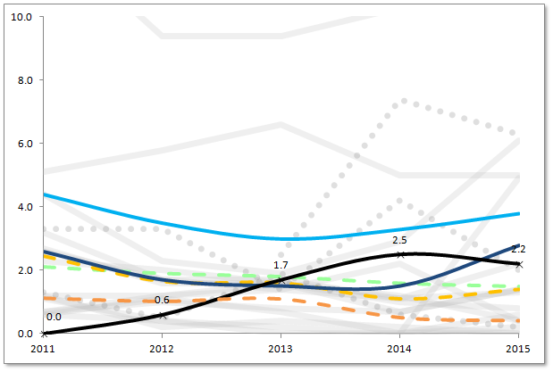
Student Indicator - Retention %
 | Retention %

 |  | 2011 | 2012 | 2013 | 2014 | 2015
 | Charter School | 0.0 | 0.6 | 1.7 | 2.5 | 2.2
 | Statewide Average | 2.1 | 1.9 | 1.8 | 1.6 | 1.5
Percent %
 | Everett (District) | 2.6 | 1.7 | 1.5 | 1.5 | 2.8
 | Chelsea (District) | 4.4 | 3.5 | 3.0 | 3.3 | 3.8
 | Grades served per year | 7-11 | 7-12 | 7-12 | 7-12 | 7-12

 | Median | 2.5 | 1.7 | 1.6 | 1.1 | 1.4
 | First Quartile | 1.1 | 1.0 | 1.1 | 0.5 | 0.4

Pioneer Charter School of Science - Everett - Est. 2007 (Max Grade Span - 07-12)
Student Indicator - 4-yr Graduation %

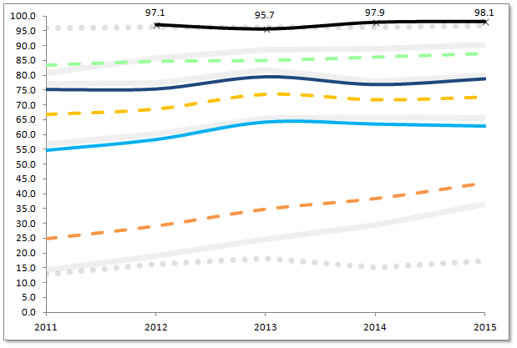
 | 4-Year Graduation %

Percent %
 |  | 2011 | 2012 | 2013 | 2014 | 2015
 | Charter School | #N/A | 97.1 | 95.7 | 97.9 | 98.1
 | Statewide Average | 83.4 | 84.7 | 85.0 | 86.1 | 87.3
 | Everett (District) | 75.2 | 75.4 | 79.6 | 76.9 | 78.9
 | Chelsea (District) | 54.6 | 58.3 | 64.3 | 63.6 | 62.9
 | Grades served per year | 7-11 | 7-12 | 7-12 | 7-12 | 7-12

 | Median | 66.9 | 68.7 | 73.7 | 71.9 | 72.8
 | First Quartile | 24.9 | 29.2 | 34.9 | 38.5 | 43.8

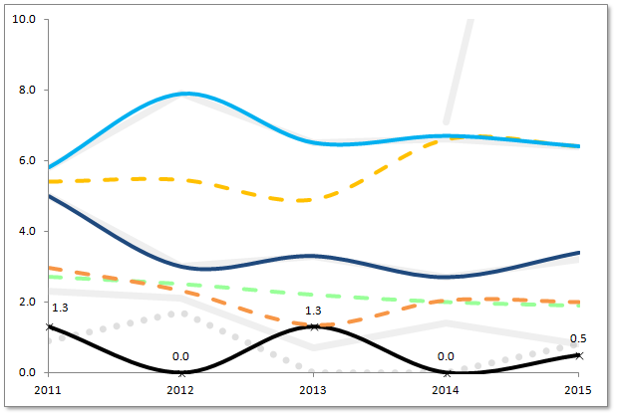
Student Indicator - Dropput %
 | Dropout %

Percent %
 |  | 2011 | 2012 | 2013 | 2014 | 2015
 | Charter School | 1.3 | 0.0 | 1.3 | 0.0 | 0.5
 | Statewide Average | 2.7 | 2.5 | 2.2 | 2.0 | 1.9
 | Everett (District) | 5.0 | 3.0 | 3.3 | 2.7 | 3.4
 | Chelsea (District) | 5.8 | 7.9 | 6.5 | 6.7 | 6.4
 | Grades served per year | 7-11 | 7-12 | 7-12 | 7-12 | 7-12

 | Median | 5.4 | 5.5 | 4.9 | 6.6 | 6.4
 | First Quartile | 3.0 | 2.3 | 1.3 | 2.1 | 2.0

