Charter Accountability Table
Charter Accountability Table
Salem Academy Charter School
% Proficient or Advanced |  |  | 2010 | 2011 | 2012 | 2013 | 2014 | CPI |  |  |  | 2010 | 2011 | 2012 | 2013 | 2014
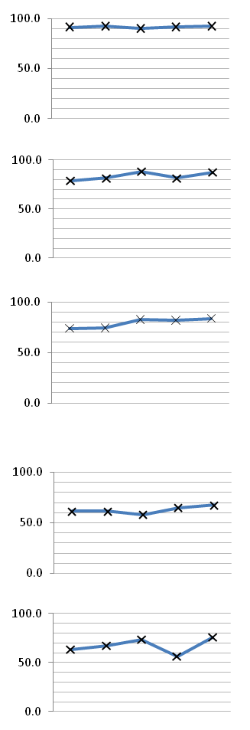
ELA P/A |  | All |  |  |  |  |  | ELA CPI |  | All | All
 |  |  | 78.0 | 79.0 | 75.0 | 81.0 | 82.0 |  |  |  |  | 91.4 | 92.3 | 90.1 | 91.6 | 92.5

 | All | High needs |  |  |  |  |  |  |  |  | High needs
 |  |  | #N/A | 68.0 | 65.0 | 71.0 | 77.0 |  |  |  |  | 87.4 | 87.9 | 85.7 | 86.3 | 90.4
 | HN |  |  |  |  |  |  |  |  | HiNeeds
MATH P/A | All | All |  |  |  |  |  | MATH CPI |  | All | All
 |  |  | 57.0 | 62.0 | 70.0 | 65.0 | 72.0 |  |  |  |  | 78.9 | 81.5 | 88.0 | 81.5 | 87.4

 |  | High needs |  |  |  |  |  |  |  |  | High needs
 |  |  | #N/A | 49.0 | 59.0 | 48.0 | 64.0 |  |  |  |  | 73.8 | 74.0 | 82.9 | 71.5 | 82.6
 | HN |  |  |  |  |  |  |  |  | HiNeeds
SCIENCE P/A |  | All |  |  |  |  |  | SCIENCE CPI |  |  | All
 |  |  | 46.0 | 47.0 | 56.0 | 56.0 | 63.0 |  |  | All |  | 73.9 | 74.4 | 82.7 | 81.8 | 83.6
 | All
 |  | High needs |  |  |  |  |  |  |  |  | High needs
 |  |  | #N/A | #N/A | 51.0 | 33.0 | 62.0 |  |  | HiNeeds |  | 68.8 | 65.5 | 79.4 | 70.7 | 81.8
 | HN
% Warning or Failing |  |  | 2010 | 2011 | 2012 | 2013 | 2014 | SGP |  |  |  | 2010 | 2011 | 2012 | 2013 | 2014
ELA W/F | All | All |  |  |  |  |  | ELA SGP |  | All | All
 |  |  | 4.0 | 2.0 | 5.0 | 3.0 | 4.0 |  |  |  |  | 61.5 | 61.5 | 58.0 | 65.0 | 67.5

 |  | High needs |  |  |  |  |  |  |  |  | High needs
 |  |  | #N/A | 3.0 | 8.0 | 6.0 | 5.0 |  |  |  |  | 60.0 | 62.5 | 58.5 | 71.5 | 69.0
 | HN |  |  |  |  |  |  |  |  | HiNeeds
MATH W/F | All | All |  |  |  |  |  | MATH SGP |  | All | All
 |  |  | 16.0 | 11.0 | 5.0 | 15.0 | 8.0 |  |  |  |  | 63.0 | 67.0 | 73.5 | 56.0 | 76.0

 |  | High needs |  |  |  |  |  |  |  |  | High needs
 |  |  | #N/A | 18.0 | 8.0 | 25.0 | 12.0 |  |  |  |  | 61.0 | 69.0 | 72.0 | 48.0 | 72.0
 | HN |  |  |  |  |  |  |  |  | HiNeeds
SCIENCE W/F | All | All |  |  |  |  |  | Percentile & PPI |  |  |  |  |  | 2012 | 2013 | 2014
 |  |  | 14.0 | 14.0 | 7.0 | 6.0 | 7.0 | School Level |  |  |  |  | All | Level 1 | Level 1 | Level 1
 |  |  |  |  |  |  |  | School Percentile |  |  |  |  | All | 56 | 63 | 72
 |  | High needs |  |  |  |  |  | ELA | Percentile in School - All |  |  |  | All | 46 | 47 | 55
 |  |  | #N/A | #N/A | 11.0 | 11.0 | 10.0 |  | Percentile in School - ELL/Former ELL |  |  |  | ELL/FELL | #N/A | #N/A | 0
 | HN |  |  |  |  |  |  |  | Percentile in School - Students with Disabilities |  |  |  | HiNeeds | #N/A | #N/A | 70
Graduation & Dropout Rates |  |  | 2010 | 2011 | 2012 | 2013 | 2014 | MATH | Percentile in School - All |  |  |  | All | 48 | 49 | 84
4-year Graduation Rate |  | All | 93.3 | 87.1 | 96.2 | 87.5 |  |  | Percentile in School - ELL/Former ELL |  |  |  | ELL/FELL | #N/A | #N/A | 0
 |  |  |  |  |  |  |  |  | Percentile in School - Students with Disabilities |  |  |  | HiNeeds | #N/A | #N/A | 60
5-year Graduation Rate |  | All | 93.3 | 93.5 | 96.2 | #N/A |  | PPI - Aggregate |  |  |  |  | All | 100 | 92 | 90
 |  |  |  |  |  |  |  | PPI - High needs |  |  |  |  | HiNeeds | 100 | 87 | 92
Annual Dropout Rate |  | All | 2.2 | 0.0 | 0.7 | 3.8 |  | PPI - ELL/Former ELL |  |  |  |  | ELL/FELL | 0 | 0 | 0
 |  |  |  |  |  |  |  | PPI - Students with Disabilities |  |  |  |  | SPED | 88 | 0 | 62
Please note that missing values are either due to unavailable or suppressed data.

Student Enrollment
Student Enrollment Demographic Data
ENROLLMENT - Low Income | Salem Academy Charter School (06-12) - Salem - Est. 2004
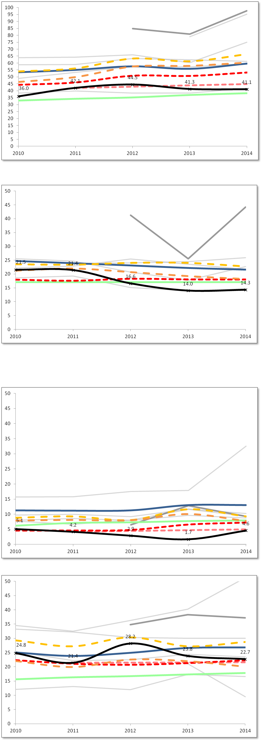

 |  | Low Income % Enrolled

Percent %
Percent %
 |  |  | 2010 | 2011 | 2012 | 2013 | 2014
 |  | Charter School | 36.0 | 42.1 | 44.5 | 41.3 | 41.1
 |  | Statewide Average | 32.9 | 34.2 | 35.2 | 37.0 | 38.3
 |  | Salem (District) | 53.4 | 55.1 | 57.7 | 55.9 | 59.7
 |  | Grades served per year | 6-12 | 6-12 | 6-12 | 6-12 | 6-12

 |  | Median | 53.9 | 56.1 | 63.3 | 61.3 | 66.5
 |  | First Quartile | 46.4 | 49.9 | 57.5 | 58.0 | 60.4
 |  | Comparison Index | 44.3 | 46.0 | 50.9 | 50.8 | 53.2
 |  | Gap Narrowing Target (GNT) | #N/A | 42.1 | 43.0 | 44.0 | 44.9

ENROLLMENT - Students with Disabilities
 |  | Students with Disabilities % Enrolled

Percent %
Percent %
 |  |  | 2010 | 2011 | 2012 | 2013 | 2014
 |  | Charter School | 21.5 | 21.4 | 16.6 | 14.0 | 14.3
 |  | Statewide Average | 17.0 | 17.0 | 17.0 | 17.0 | 17.0
 |  | Salem (District) | 24.7 | 23.9 | 23.1 | 22.2 | 21.6
 |  | Grades served per year | 6-12 | 6-12 | 6-12 | 6-12 | 6-12

 |  | Median | 23.5 | 23.4 | 24.0 | 24.0 | 22.7
 |  | First Quartile | 21.2 | 22.0 | 20.7 | 19.2 | 18.2
 |  | Comparison Index | 17.9 | 17.6 | 18.3 | 18.0 | 18.0
 |  | Gap Narrowing Target (GNT) | #N/A | #N/A | #N/A | #N/A | #N/A

Student Enrollment Demographic Data
ENROLLMENT - ELL | Salem Academy Charter School (06-12) - Salem - Est. 2004

 |  | English Language Learners % Enrolled

Percent %
 |  |  | 2010 | 2011 | 2012 | 2013 | 2014
 |  | Charter School | 5.1 | 4.2 | 2.9 | 1.7 | 4.6
 |  | Statewide Average | 6.2 | 7.1 | 7.3 | 7.7 | 7.9
 |  | Salem (District) | 11.3 | 11.2 | 11.3 | 13.0 | 13.0
 |  | Grades served per year | 6-12 | 6-12 | 6-12 | 6-12 | 6-12

 |  | Median | 8.9 | 9.3 | 8.1 | 11.6 | 9.3
 |  | First Quartile | 7.9 | 8.1 | 8.0 | 10.1 | 7.8
 |  | Comparison Index | 4.6 | 4.6 | 4.8 | 6.6 | 7.2
 |  | Gap Narrowing Target (GNT) | #N/A | 4.2 | 4.5 | 4.7 | 5.0

ENROLLMENT - FLNE

 |  | First Language Not English % Enrolled

Percent %
 |  |  | 2010 | 2011 | 2012 | 2013 | 2014
 |  | Charter School | 24.8 | 21.4 | 28.2 | 23.8 | 22.7
 |  | Statewide Average | 15.6 | 16.3 | 16.7 | 17.3 | 17.8
 |  | Salem (District) | 25.0 | 23.8 | 24.9 | 26.6 | 26.8
 |  | Grades served per year | 6-12 | 6-12 | 6-12 | 6-12 | 6-12

 |  | Median | 29.3 | 27.2 | 30.3 | 27.2 | 28.7
 |  | First Quartile | 22.0 | 19.9 | 22.5 | 21.9 | 20.1
 |  | Comparison Index | 22.3 | 21.1 | 20.7 | 21.3 | 22.3
 |  | Gap Narrowing Target (GNT) | #N/A | 21.4 | 21.5 | 21.5 | 21.6

Attrition
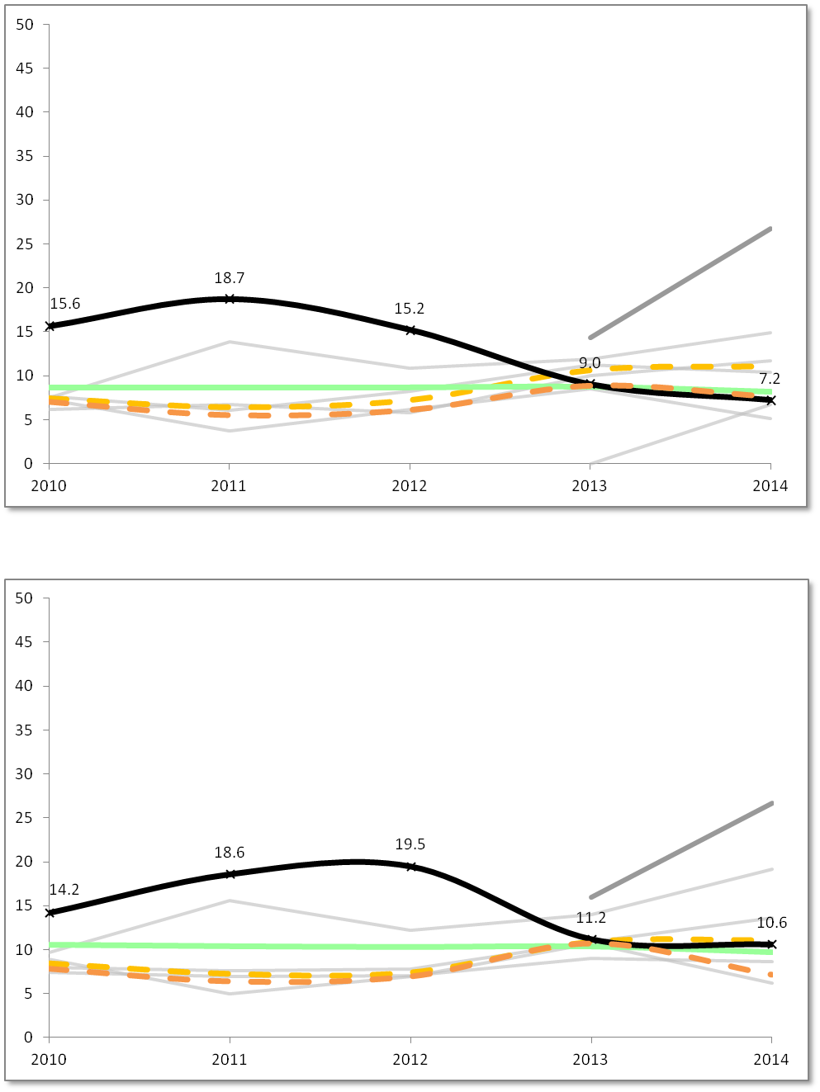
Student Attrition Data
 | Salem Academy Charter School (06-12) - Salem - Est. 2004
ATTRITION - All Students

 |  | All Students Attrition %

Percent %
 |  |  | 2010 | 2011 | 2012 | 2013 | 2014
 |  | Charter School | 15.6 | 18.7 | 15.2 | 9.0 | 7.2
 |  | Statewide Average | 8.7 | 8.7 | 8.7 | 8.8 | 8.2
 |  | Grades served per year | 6-12 | 6-12 | 6-12 | 6-12 | 6-12

 |  | Median | 7.4 | 6.4 | 7.2 | 10.6 | 11.1
 |  | First Quartile | 7.0 | 5.5 | 6.1 | 8.9 | 7.6

ATTRITION - High Needs

 |  | High Needs Attrition %

 |  |  | 2010 | 2011 | 2012 | 2013 | 2014
 |  | Charter School | 14.2 | 18.6 | 19.5 | 11.2 | 10.6
 |  | Statewide Average | 10.6 | 10.4 | 10.3 | 10.4 | 9.7
Percent %
 |  | Grades served per year | 6-12 | 6-12 | 6-12 | 6-12 | 6-12

 |  | Median | 8.5 | 7.3 | 7.4 | 10.9 | 11.1
 |  | First Quartile | 7.9 | 6.4 | 7.0 | 10.7 | 7.2

Financial Dashboard
Financial Dashboard
Salem Academy Charter School - Salem - Est. 2004

5-Year Financial Summary
p Low Risk t Moderate Risk q Potentially High Risk

Financial Metric | FY10 | FY11 | FY12 | FY13 | FY14 | 5 year AVG | FY14 MA AVG
1. Current Ratio is a measure of operational efficiency and short-term financial health. CR is calculated as current assets divided by current liabilities. | p | t | q | t | t | t | p
 | 1.8x | 1.1x | 0.9x | 1.1x | 1.1x | 1.2x | 2.4x
2. Unrestricted Days Cash indicates how many days a school can pay its expenses without another inflow of cash. Calculated as Cash and Cash Equivalents divided by ([Total Expenses-Depreciated Expenses]/365). *Important Note: This is based on the current quarterly tuition payment schedule. | t | q | t | q | q | q | t
 | 52 | 31 | 63 | 27 | 0 | 35 | 51
3. Percentage of Program Paid by Tuition measures the percentage of the school's total expenses that are funded entirely by tuition. Calculated as (Tuition + In-Kind Contributions) divided by Total Expenses. | t | t | t | t | p | t | t
 | 90% | 79% | 86% | 89% | 91% | 87% | 88%
4. Percentage of Program Paid by Tuition & Federal Grants measures the percentage of the school's total expenses that are funded by tuition and federal grants. Calculated as (Tuition + In-Kind Contributions + Federal Grants) divided by Total Expenses. | p | t | p | p | p | p | p
 | 95% | 84% | 91% | 93% | 95% | 92% | 94%
5. Percentage of Total Revenue Expended on Facilities measures the percentage of Total Revenue spent on Operation & Maintenance and Non-Operating Financing Expenses of Plant. Calculated as Operation & Maintenance plus Non-Operating Financing Expenses of Plant divided by Total Revenues. | p | t | p | t | t | t | t
 | 15% | 15% | 14% | 17% | 16% | 15% | 17%
6. Change in Net Assets Percentage measures a school's cash management efficiency. Calculated as Change in Net Assets divided by Total Revenue. | p | q | t | p | t | t | p
 | 2.1% | -9.1% | -1.9% | 1.5% | -0.3% | -1.6% | 3.4%
7. Debt to Asset Ratio measures the extent to which the school relies on borrowed funds to finance its operations. Calculated as Total Liabilities divided by Total Assets. | p | q | q | q | q | t | p
 | 0.56x | 1.00x | 1.09x | 1.01x | 1.02x | 0.93x | 0.58x

Enrollment | 311 | 309 | 308 | 344 | 370 | 328 | 428
Total Revenues | $4,054,228 | $3,936,383 | $4,054,632 | $4,704,332 | $5,191,736 | $4,388,262 | $6,654,701
Total Expenditures | $3,970,287 | $4,294,602 | $4,132,604 | $4,635,896 | $5,205,957 | $4,447,869 | $6,430,609
Total Net Assets | $357,720 | $(499) | $(77,972) | $(9,536) | $(23,757) | $49,191 | $3,145,781

Optional Comments from School:
#N/A

Audit Indicator | FY10 | FY11 | FY12 | FY13 | FY14 | Optional Comments From School:
A. Did the audit include an unqualified opinion? | Y | Y | Y | Y | Y | #N/A
B. Is the audit free of findings of Material Weakness? | Y | Y | Y | Y | Y
C. Is the audit free of findings of Significant Deficiency? | Y | Y | Y | Y | Y
D. Is the audit free of Instances of Noncompliance under GAAS? | N | Y | Y | N | Y
E. Is the audit free of Questioned Costs? | Y | Y | Y | Y | Y

