Instructions
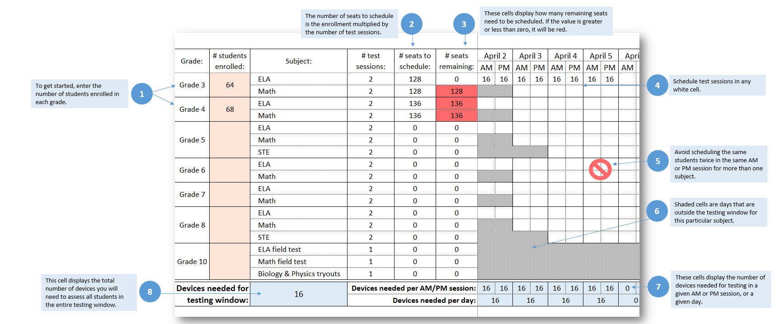
This planner is designed to help schools and districts identify how many student devices are needed to administer computer-based MCAS tests within the testing window. To get started, first enter the number of students enrolled in each grade. The number of testing "seats" to schedule will appear automatically, as will the number of seats remaining based on how many test sessions you scheduled. The spreadsheet is protected so that you can only place students into sessions that fall within the testing window of a particular grade or subject. Avoid scheduling the same students in more than 2 sessions in a given day. The last row displays how many devices are needed per morning and afternoon session each day, the number of devices needed overall that day, and the total number of devices you will need to assess all students in the school in the entire testing window.

